Feuil1
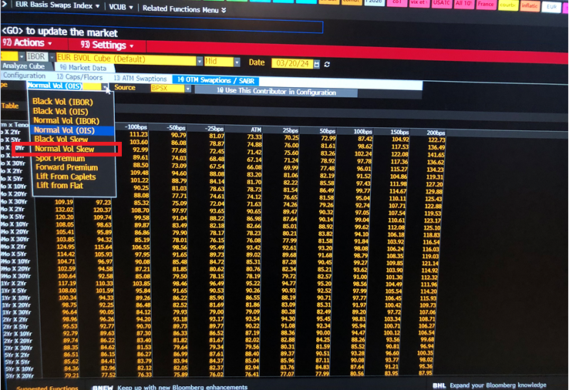
Pout la normal vol skew, je n en vois qu une ( est ce IBOR? OIS??.) | tout a été pris au 20/03/2024

un petit léger rappel sur les différentes vols du pricer ne feraient pas de mal, je sais plus à quoi elles correspondent desormais :)

Basis E3M vs OIS
 |  | OIS vs 3 mois |  | IRSB | permet d obtenir la base ESTER+base= EURIBOR 3 mois pour le swap de maturité ci-dessous
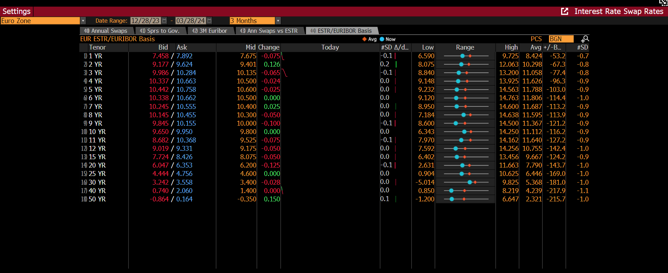

 |  |  |  |  |  |  | valeur
 |  |  |  |  |  | 2024-03-20 | 2024-03-20 | Date pas changeable dans l interface, mais via bloom api donnée dispo à ta date
 |  |  |  |  | PX_LAST
 |  | 1 | EEOBVC1 Curncy |  | #NAME? | #NAME? | 7.1568
 |  | 2 | EEOBVC2 Curncy |  | #NAME? | #NAME? | 8.725
 |  | 3 | EEOBVC3 Curncy |  | #NAME? | #NAME? | 9.4958
 |  | 4 | EEOBVC4 Curncy |  | #NAME? | #NAME? | 9.9
 |  | 5 | EEOBVC5 Curncy |  | #NAME? | #NAME? | 10
 |  | 6 | EEOBVC6 Curncy |  | #NAME? | #NAME? | 9.9
 |  | 7 | EEOBVC7 Curncy |  | #NAME? | #NAME? | 9.6
 |  | 8 | EEOBVC8 Curncy |  | #NAME? | #NAME? | 9.5
 |  | 9 | EEOBVC9 Curncy |  | #NAME? | #NAME? | 9.2
 |  | 10 | EEOBVC10 Curncy |  | #NAME? | #NAME? | 8.9763
 |  | 11 | EEOBVC11 Curncy |  | #NAME? | #NAME? | 8.75
 |  | 12 | EEOBVC12 Curncy |  | #NAME? | #NAME? | 8.5
 |  | 15 | EEOBVC15 Curncy |  | #NAME? | #NAME? | 7.6
 |  | 20 | EEOBVC20 Curncy |  | #NAME? | #NAME? | 5.9
 |  | 25 | EEOBVC25 Curncy |  | #NAME? | #NAME? | 4.545
 |  | 30 | EEOBVC30 Curncy |  | #NAME? | #NAME? | 3.4
 |  | 40 | EEOBVC40 Curncy |  | #NAME? | #NAME? | 1.525

OIS vs 6M | malheureusement, il y a pas d'écran pour ça

Volatilite IBOR
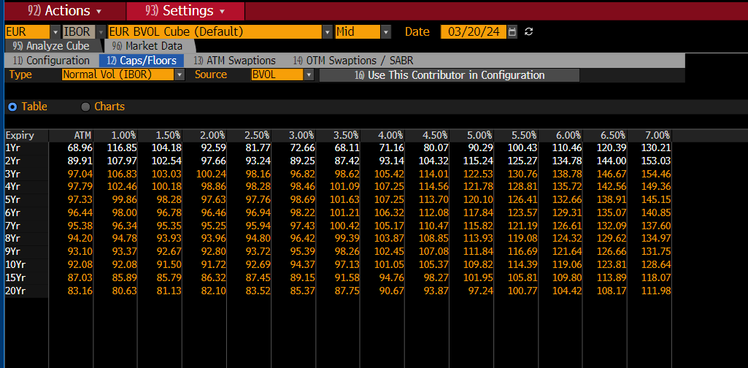
 | Expiry | ATM | 1.00% | 1.50% | 2.00% | 2.50% | 3.00% | 3.50% | 4.00% | 4.50% | 5.00% | 5.50% | 6.00% | 6.50% | 7.00%
 | 1Yr | 68.96 | 116.85 | 104.18 | 92.59 | 81.77 | 72.66 | 68.11 | 71.16 | 80.07 | 90.29 | 100.43 | 110.46 | 120.39 | 130.21
 | 2Yr | 89.91 | 107.97 | 102.54 | 97.66 | 93.24 | 89.25 | 87.42 | 93.14 | 104.32 | 115.24 | 125.27 | 134.78 | 144.00 | 153.03
 | 3Yr | 97.04 | 106.83 | 103.03 | 100.24 | 98.16 | 96.82 | 98.62 | 105.42 | 114.01 | 122.53 | 130.76 | 138.78 | 146.67 | 154.46
 | 4Yr | 97.79 | 102.46 | 100.18 | 98.86 | 98.28 | 98.46 | 101.09 | 107.25 | 114.56 | 121.78 | 128.81 | 135.72 | 142.56 | 149.36
 | 5Yr | 97.33 | 99.86 | 98.28 | 97.63 | 97.76 | 98.69 | 101.63 | 107.25 | 113.70 | 120.10 | 126.41 | 132.66 | 138.91 | 145.15
 | 6Yr | 96.44 | 98.00 | 96.78 | 96.46 | 96.94 | 98.22 | 101.21 | 106.32 | 112.08 | 117.84 | 123.57 | 129.31 | 135.07 | 140.85
 | 7Yr | 95.38 | 96.34 | 95.35 | 95.25 | 95.94 | 97.43 | 100.42 | 105.17 | 110.47 | 115.82 | 121.19 | 126.61 | 132.09 | 137.60
 | 8Yr | 94.20 | 94.78 | 93.93 | 93.96 | 94.80 | 96.42 | 99.39 | 103.87 | 108.85 | 113.93 | 119.08 | 124.32 | 129.62 | 134.97
 | 9Yr | 93.10 | 93.37 | 92.67 | 92.80 | 93.72 | 95.39 | 98.26 | 102.45 | 107.08 | 111.84 | 116.69 | 121.64 | 126.66 | 131.75
 | 10Yr | 92.08 | 92.08 | 91.50 | 91.72 | 92.69 | 94.37 | 97.13 | 101.05 | 105.37 | 109.82 | 114.39 | 119.06 | 123.81 | 128.64
 | 15Yr | 87.03 | 85.89 | 85.79 | 86.32 | 87.45 | 89.15 | 91.58 | 94.76 | 98.27 | 101.95 | 105.81 | 109.80 | 113.89 | 118.07
 | 20Yr | 83.16 | 80.63 | 81.13 | 82.10 | 83.52 | 85.37 | 87.75 | 90.67 | 93.87 | 97.24 | 100.77 | 104.42 | 108.17 | 111.98

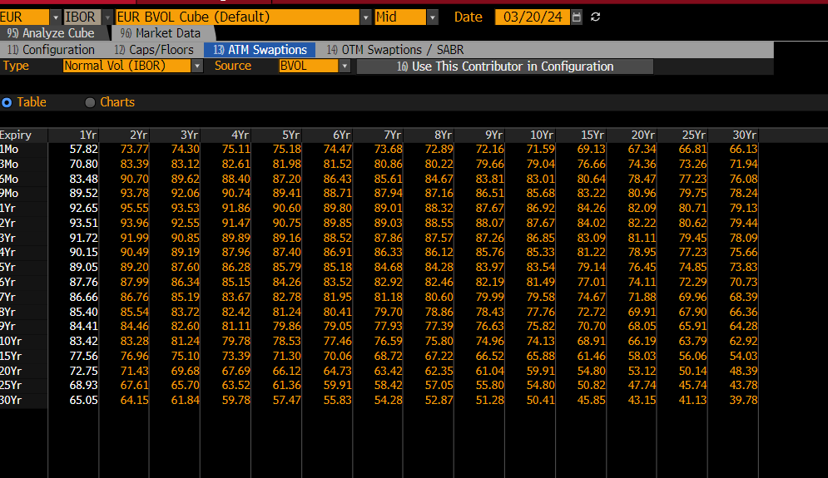
 | Expiry | 1Yr | 2Yr | 3Yr | 4Yr | 5Yr | 6Yr | 7Yr | 8Yr | 9Yr | 10Yr | 15Yr | 20Yr | 25Yr | 30Yr
 | 1Mo | 57.82 | 73.77 | 74.30 | 75.11 | 75.18 | 74.47 | 73.68 | 72.89 | 72.16 | 71.59 | 69.13 | 67.34 | 66.81 | 66.13
 | 3Mo | 70.80 | 83.39 | 83.12 | 82.61 | 81.98 | 81.52 | 80.86 | 80.22 | 79.66 | 79.04 | 76.66 | 74.36 | 73.26 | 71.94
 | 6Mo | 83.48 | 90.70 | 89.62 | 88.40 | 87.20 | 86.43 | 85.61 | 84.67 | 83.81 | 83.01 | 80.64 | 78.47 | 77.23 | 76.08
 | 9Mo | 89.52 | 93.78 | 92.06 | 90.74 | 89.41 | 88.71 | 87.94 | 87.16 | 86.51 | 85.68 | 83.22 | 80.96 | 79.75 | 78.24
 | 1Yr | 92.65 | 95.55 | 93.53 | 91.86 | 90.60 | 89.80 | 89.01 | 88.32 | 87.67 | 86.92 | 84.26 | 82.09 | 80.71 | 79.13
 | 2Yr | 93.51 | 93.96 | 92.55 | 91.47 | 90.75 | 89.85 | 89.03 | 88.55 | 88.07 | 87.67 | 84.02 | 82.22 | 80.62 | 79.44
 | 3Yr | 91.72 | 91.99 | 90.85 | 89.89 | 89.16 | 88.52 | 87.86 | 87.57 | 87.26 | 86.85 | 83.09 | 81.11 | 79.45 | 78.09
 | 4Yr | 90.15 | 90.49 | 89.19 | 87.96 | 87.40 | 86.91 | 86.33 | 86.12 | 85.76 | 85.33 | 81.22 | 78.95 | 77.23 | 75.66
 | 5Yr | 89.05 | 89.20 | 87.60 | 86.28 | 85.79 | 85.18 | 84.68 | 84.28 | 83.97 | 83.54 | 79.14 | 76.45 | 74.85 | 73.83
 | 6Yr | 87.76 | 87.99 | 86.34 | 85.15 | 84.26 | 83.52 | 82.92 | 82.46 | 82.19 | 81.49 | 77.01 | 74.11 | 72.29 | 70.73
 | 7Yr | 86.66 | 86.76 | 85.19 | 83.67 | 82.78 | 81.95 | 81.18 | 80.60 | 79.99 | 79.58 | 74.67 | 71.88 | 69.96 | 68.39
 | 8Yr | 85.40 | 85.54 | 83.72 | 82.42 | 81.24 | 80.41 | 79.70 | 78.86 | 78.43 | 77.76 | 72.72 | 69.91 | 67.90 | 66.36
 | 9Yr | 84.41 | 84.46 | 82.60 | 81.11 | 79.86 | 79.05 | 77.93 | 77.39 | 76.63 | 75.82 | 70.70 | 68.05 | 65.91 | 64.28
 | 10Yr | 83.42 | 83.28 | 81.24 | 79.78 | 78.53 | 77.46 | 76.59 | 75.80 | 74.96 | 74.13 | 68.91 | 66.19 | 63.79 | 62.92
 | 15Yr | 77.56 | 76.96 | 75.10 | 73.39 | 71.30 | 70.06 | 68.72 | 67.22 | 66.52 | 65.88 | 61.46 | 58.03 | 56.06 | 54.03
 | 20Yr | 72.75 | 71.43 | 69.68 | 67.69 | 66.12 | 64.73 | 63.42 | 62.35 | 61.04 | 59.91 | 54.80 | 53.12 | 50.14 | 48.39
 | 25Yr | 68.93 | 67.61 | 65.70 | 63.52 | 61.36 | 59.91 | 58.42 | 57.05 | 55.80 | 54.80 | 50.82 | 47.74 | 45.74 | 43.78
 | 30Yr | 65.05 | 64.15 | 61.84 | 59.78 | 57.47 | 55.83 | 54.28 | 52.87 | 51.28 | 50.41 | 45.85 | 43.15 | 41.13 | 39.78

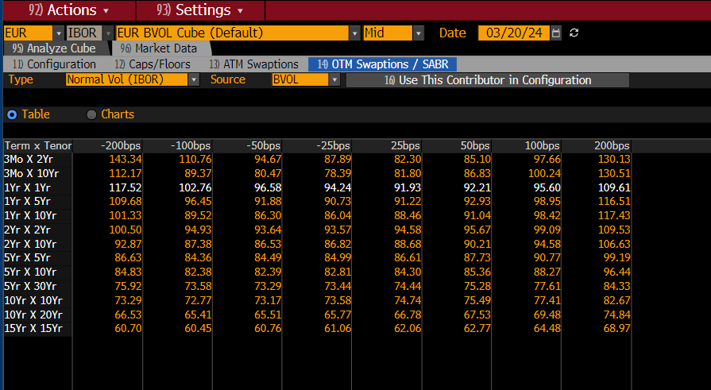
 | Term x Tenor | -200bps | -100bps | -50bps | -25bps | 25bps | 50bps | 100bps | 200bps
 | 3Mo X 2Yr | 143.34 | 110.76 | 94.67 | 87.89 | 82.30 | 85.10 | 97.66 | 130.13
 | 3Mo X 10Yr | 112.17 | 89.37 | 80.47 | 78.39 | 81.80 | 86.83 | 100.24 | 130.51
 | 1Yr X 1Yr | 117.52 | 102.76 | 96.58 | 94.24 | 91.93 | 92.21 | 95.60 | 109.61
 | 1Yr X 5Yr | 109.68 | 96.45 | 91.88 | 90.73 | 91.22 | 92.93 | 98.95 | 116.51
 | 1Yr X 10Yr | 101.33 | 89.52 | 86.30 | 86.04 | 88.46 | 91.04 | 98.42 | 117.43
 | 2Yr X 2Yr | 100.50 | 94.93 | 93.64 | 93.57 | 94.58 | 95.67 | 99.09 | 109.53
 | 2Yr X 10Yr | 92.87 | 87.38 | 86.53 | 86.82 | 88.68 | 90.21 | 94.58 | 106.63
 | 5Yr X 5Yr | 86.63 | 84.36 | 84.49 | 84.99 | 86.61 | 87.73 | 90.77 | 99.19
 | 5Yr X 10Yr | 84.83 | 82.38 | 82.39 | 82.81 | 84.30 | 85.36 | 88.27 | 96.44
 | 5Yr X 30Yr | 75.92 | 73.58 | 73.29 | 73.44 | 74.44 | 75.28 | 77.61 | 84.33
 | 10Yr X 10Yr | 73.29 | 72.77 | 73.17 | 73.58 | 74.74 | 75.49 | 77.41 | 82.67
 | 10Yr X 20Yr | 66.53 | 65.41 | 65.51 | 65.77 | 66.78 | 67.53 | 69.48 | 74.84
 | 15Yr X 15Yr | 60.70 | 60.45 | 60.76 | 61.06 | 62.06 | 62.77 | 64.48 | 68.97

Pout la normal vol skew, je n en vois qu une ( est ce IBOR? OIS??.)

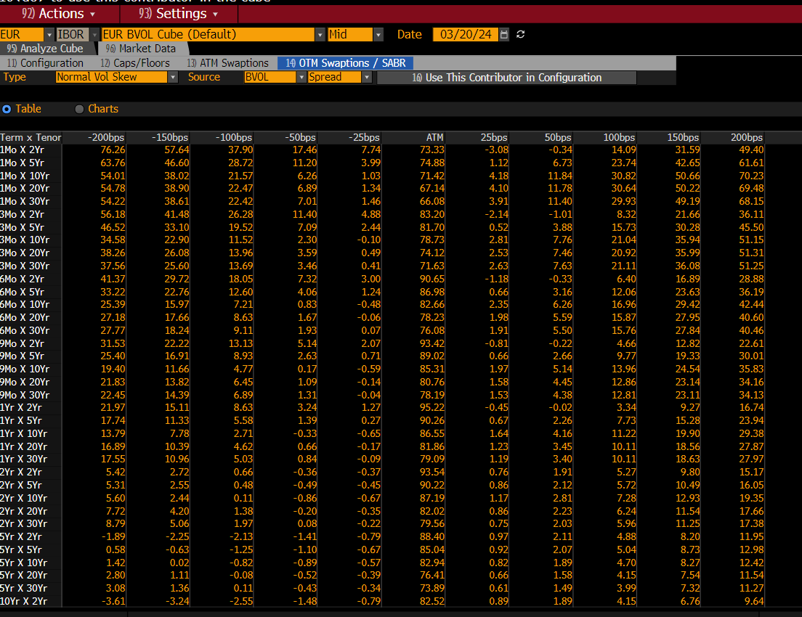
 |  |  | Term x Tenor | -200bps | -150bps | -100bps | -50bps | -25bps | ATM | 25bps | 50bps | 100bps | 150bps | 200bps
 |  |  | 1Mo X 2Yr | 76.26 | 57.64 | 37.90 | 17.46 | 7.74 | 73.33 | -3.08 | -0.34 | 14.09 | 31.59 | 49.40
 |  |  | 1Mo X 5Yr | 63.76 | 46.60 | 28.72 | 11.20 | 3.99 | 74.88 | 1.12 | 6.73 | 23.74 | 42.65 | 61.61
 |  |  | 1Mo X 10Yr | 54.01 | 38.02 | 21.57 | 6.26 | 1.03 | 71.42 | 4.18 | 11.84 | 30.82 | 50.66 | 70.23
 |  |  | 1Mo X 20Yr | 54.78 | 38.90 | 22.47 | 6.89 | 1.34 | 67.14 | 4.10 | 11.78 | 30.64 | 50.22 | 69.48
 |  |  | 1Mo X 30Yr | 54.22 | 38.61 | 22.42 | 7.01 | 1.46 | 66.08 | 3.91 | 11.40 | 29.93 | 49.19 | 68.15
 |  |  | 3Mo X 2Yr | 56.18 | 41.48 | 26.28 | 11.40 | 4.88 | 83.20 | -2.14 | -1.01 | 8.32 | 21.66 | 36.11
 |  |  | 3Mo X 5Yr | 46.52 | 33.10 | 19.52 | 7.09 | 2.44 | 81.70 | 0.52 | 3.88 | 15.73 | 30.28 | 45.50
 |  |  | 3Mo X 10Yr | 34.58 | 22.90 | 11.52 | 2.30 | -0.10 | 78.73 | 2.81 | 7.76 | 21.04 | 35.94 | 51.15
 |  |  | 3Mo X 20Yr | 38.26 | 26.08 | 13.96 | 3.59 | 0.49 | 74.12 | 2.53 | 7.46 | 20.92 | 35.99 | 51.31
 |  |  | 3Mo X 30Yr | 37.56 | 25.60 | 13.69 | 3.46 | 0.41 | 71.63 | 2.63 | 7.63 | 21.11 | 36.08 | 51.25
 |  |  | 6Mo X 2Yr | 41.37 | 29.72 | 18.05 | 7.32 | 3.00 | 90.65 | -1.18 | -0.33 | 6.40 | 16.89 | 28.88
 |  |  | 6Mo X 5Yr | 33.22 | 22.76 | 12.60 | 4.06 | 1.24 | 86.98 | 0.66 | 3.16 | 12.06 | 23.63 | 36.19
 |  |  | 6Mo X 10Yr | 25.39 | 15.97 | 7.21 | 0.83 | -0.48 | 82.66 | 2.35 | 6.26 | 16.96 | 29.42 | 42.44
 |  |  | 6Mo X 20Yr | 27.18 | 17.66 | 8.63 | 1.67 | -0.06 | 78.23 | 1.98 | 5.59 | 15.87 | 27.95 | 40.60
 |  |  | 6Mo X 30Yr | 27.77 | 18.24 | 9.11 | 1.93 | 0.07 | 76.08 | 1.91 | 5.50 | 15.76 | 27.84 | 40.46
 |  |  | 9Mo X 2Yr | 31.53 | 22.22 | 13.13 | 5.14 | 2.07 | 93.42 | -0.81 | -0.22 | 4.66 | 12.82 | 22.61
 |  |  | 9Mo X 5Yr | 25.40 | 16.91 | 8.93 | 2.63 | 0.71 | 89.02 | 0.66 | 2.66 | 9.77 | 19.33 | 30.01
 |  |  | 9Mo X 10Yr | 19.40 | 11.66 | 4.77 | 0.17 | -0.59 | 85.31 | 1.97 | 5.14 | 13.96 | 24.54 | 35.83
 |  |  | 9Mo X 20Yr | 21.83 | 13.82 | 6.45 | 1.09 | -0.14 | 80.76 | 1.58 | 4.45 | 12.86 | 23.14 | 34.16
 |  |  | 9Mo X 30Yr | 22.45 | 14.39 | 6.89 | 1.31 | -0.04 | 78.19 | 1.53 | 4.38 | 12.81 | 23.11 | 34.13
 |  |  | 1Yr X 2Yr | 21.97 | 15.11 | 8.63 | 3.24 | 1.27 | 95.22 | -0.45 | -0.02 | 3.34 | 9.27 | 16.74
 |  |  | 1Yr X 5Yr | 17.74 | 11.33 | 5.58 | 1.39 | 0.27 | 90.26 | 0.67 | 2.26 | 7.73 | 15.28 | 23.94
 |  |  | 1Yr X 10Yr | 13.79 | 7.78 | 2.71 | -0.33 | -0.65 | 86.55 | 1.64 | 4.16 | 11.22 | 19.90 | 29.38
 |  |  | 1Yr X 20Yr | 16.89 | 10.39 | 4.62 | 0.66 | -0.17 | 81.86 | 1.23 | 3.45 | 10.11 | 18.56 | 27.87
 |  |  | 1Yr X 30Yr | 17.55 | 10.96 | 5.03 | 0.84 | -0.09 | 79.09 | 1.19 | 3.40 | 10.11 | 18.63 | 27.97
 |  |  | 2Yr X 2Yr | 5.42 | 2.72 | 0.66 | -0.36 | -0.37 | 93.54 | 0.76 | 1.91 | 5.27 | 9.80 | 15.17
 |  |  | 2Yr X 5Yr | 5.31 | 2.55 | 0.48 | -0.49 | -0.45 | 90.22 | 0.86 | 2.12 | 5.72 | 10.49 | 16.05
 |  |  | 2Yr X 10Yr | 5.60 | 2.44 | 0.11 | -0.86 | -0.67 | 87.19 | 1.17 | 2.81 | 7.28 | 12.93 | 19.35
 |  |  | 2Yr X 20Yr | 7.72 | 4.20 | 1.38 | -0.20 | -0.35 | 82.02 | 0.86 | 2.23 | 6.24 | 11.54 | 17.66
 |  |  | 2Yr X 30Yr | 8.79 | 5.06 | 1.97 | 0.08 | -0.22 | 79.56 | 0.75 | 2.03 | 5.96 | 11.25 | 17.38
 |  |  | 5Yr X 2Yr | -1.89 | -2.25 | -2.13 | -1.41 | -0.79 | 88.40 | 0.97 | 2.11 | 4.88 | 8.20 | 11.95
 |  |  | 5Yr X 5Yr | 0.58 | -0.63 | -1.25 | -1.10 | -0.67 | 85.04 | 0.92 | 2.07 | 5.04 | 8.73 | 12.98
 |  |  | 5Yr X 10Yr | 1.42 | 0.02 | -0.82 | -0.89 | -0.57 | 82.94 | 0.82 | 1.89 | 4.70 | 8.27 | 12.42
 |  |  | 5Yr X 20Yr | 2.80 | 1.11 | -0.08 | -0.52 | -0.39 | 76.41 | 0.66 | 1.58 | 4.15 | 7.54 | 11.54
 |  |  | 5Yr X 30Yr | 3.08 | 1.36 | 0.11 | -0.43 | -0.34 | 73.89 | 0.61 | 1.49 | 3.99 | 7.32 | 11.27
 |  |  | 10Yr X 2Yr | -3.61 | -3.24 | -2.55 | -1.48 | -0.79 | 82.52 | 0.89 | 1.89 | 4.15 | 6.76 | 9.64
 |  |  | 10Yr X 5Yr | -1.41 | -1.76 | -1.71 | -1.15 | -0.65 | 77.87 | 0.80 | 1.74 | 4.04 | 6.81 | 9.97
 |  |  | 10Yr X 10Yr | -0.17 | -0.72 | -0.95 | -0.74 | -0.44 | 73.85 | 0.58 | 1.30 | 3.14 | 5.48 | 8.22
 |  |  | 10Yr X 20Yr | 1.41 | 0.40 | -0.28 | -0.46 | -0.31 | 66.69 | 0.49 | 1.16 | 3.02 | 5.47 | 8.40
 |  |  | 10Yr X 30Yr | 1.37 | 0.42 | -0.22 | -0.41 | -0.29 | 63.74 | 0.46 | 1.08 | 2.82 | 5.15 | 7.93
 |  |  | 20Yr X 2Yr | -4.69 | -3.70 | -2.62 | -1.40 | -0.72 | 72.12 | 0.77 | 1.58 | 3.34 | 5.28 | 7.38
 |  |  | 20Yr X 5Yr | -3.43 | -2.78 | -2.02 | -1.10 | -0.58 | 66.29 | 0.63 | 1.31 | 2.82 | 4.53 | 6.43
 |  |  | 20Yr X 10Yr | -2.18 | -1.90 | -1.48 | -0.86 | -0.46 | 60.52 | 0.53 | 1.13 | 2.54 | 4.20 | 6.09
 |  |  | 20Yr X 20Yr | -1.79 | -1.69 | -1.42 | -0.87 | -0.48 | 54.09 | 0.56 | 1.22 | 2.77 | 4.62 | 6.73
 |  |  | 20Yr X 30Yr | -1.45 | -1.44 | -1.25 | -0.79 | -0.44 | 51.01 | 0.53 | 1.16 | 2.67 | 4.50 | 6.59
 |  |  | 30Yr X 2Yr | -5.22 | -3.97 | -2.72 | -1.41 | -0.72 | 64.95 | 0.75 | 1.52 | 3.16 | 4.92 | 6.80
 |  |  | 30Yr X 5Yr | -3.98 | -3.07 | -2.14 | -1.13 | -0.58 | 58.69 | 0.62 | 1.27 | 2.68 | 4.24 | 5.93
 |  |  | 30Yr X 10Yr | -3.12 | -2.47 | -1.76 | -0.95 | -0.49 | 52.04 | 0.53 | 1.11 | 2.38 | 3.81 | 5.38
 |  |  | 30Yr X 20Yr | -2.08 | -1.81 | -1.42 | -0.83 | -0.45 | 46.32 | 0.52 | 1.10 | 2.48 | 4.09 | 5.91
 |  |  | 30Yr X 30Yr | -1.62 | -1.47 | -1.20 | -0.73 | -0.40 | 43.62 | 0.47 | 1.02 | 2.33 | 3.90 | 5.68

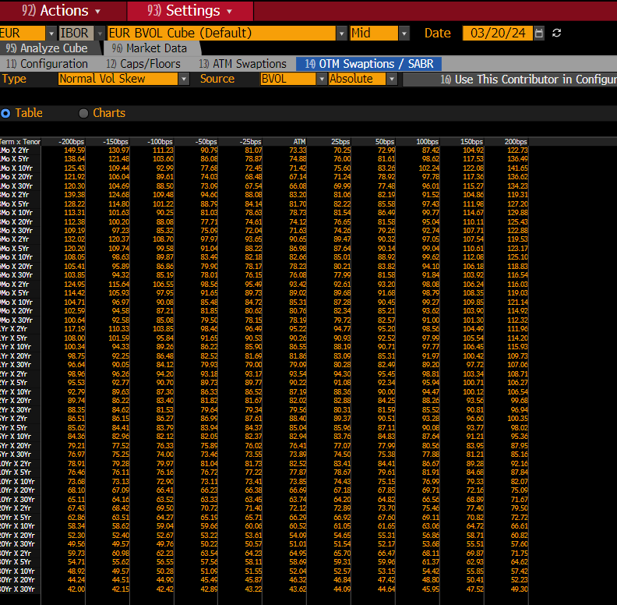
 |  |  | Term x Tenor | -200bps | -150bps | -100bps | -50bps | -25bps | ATM | 25bps | 50bps | 100bps | 150bps | 200bps
 |  |  | 1Mo X 2Yr | 149.59 | 130.97 | 111.23 | 90.79 | 81.07 | 73.33 | 70.25 | 72.99 | 87.42 | 104.92 | 122.73
 |  |  | 1Mo X 5Yr | 138.64 | 121.48 | 103.60 | 86.08 | 78.87 | 74.88 | 76.00 | 81.61 | 98.62 | 117.53 | 136.49
 |  |  | 1Mo X 10Yr | 125.43 | 109.44 | 92.99 | 77.68 | 72.45 | 71.42 | 75.60 | 83.26 | 102.24 | 122.08 | 141.65
 |  |  | 1Mo X 20Yr | 121.92 | 106.04 | 89.61 | 74.03 | 68.48 | 67.14 | 71.24 | 78.92 | 97.78 | 117.36 | 136.62
 |  |  | 1Mo X 30Yr | 120.30 | 104.69 | 88.50 | 73.09 | 67.54 | 66.08 | 69.99 | 77.48 | 96.01 | 115.27 | 134.23
 |  |  | 3Mo X 2Yr | 139.38 | 124.68 | 109.48 | 94.60 | 88.08 | 83.20 | 81.06 | 82.19 | 91.52 | 104.86 | 119.31
 |  |  | 3Mo X 5Yr | 128.22 | 114.80 | 101.22 | 88.79 | 84.14 | 81.70 | 82.22 | 85.58 | 97.43 | 111.98 | 127.20
 |  |  | 3Mo X 10Yr | 113.31 | 101.63 | 90.25 | 81.03 | 78.63 | 78.73 | 81.54 | 86.49 | 99.77 | 114.67 | 129.88
 |  |  | 3Mo X 20Yr | 112.38 | 100.20 | 88.08 | 77.71 | 74.61 | 74.12 | 76.65 | 81.58 | 95.04 | 110.11 | 125.43
 |  |  | 3Mo X 30Yr | 109.19 | 97.23 | 85.32 | 75.09 | 72.04 | 71.63 | 74.26 | 79.26 | 92.74 | 107.71 | 122.88
 |  |  | 6Mo X 2Yr | 132.02 | 120.37 | 108.70 | 97.97 | 93.65 | 90.65 | 89.47 | 90.32 | 97.05 | 107.54 | 119.53
 |  |  | 6Mo X 5Yr | 120.20 | 109.74 | 99.58 | 91.04 | 88.22 | 86.98 | 87.64 | 90.14 | 99.04 | 110.61 | 123.17
 |  |  | 6Mo X 10Yr | 108.05 | 98.63 | 89.87 | 83.49 | 82.18 | 82.66 | 85.01 | 88.92 | 99.62 | 112.08 | 125.10
 |  |  | 6Mo X 20Yr | 105.41 | 95.89 | 86.86 | 79.90 | 78.17 | 78.23 | 80.21 | 83.82 | 94.10 | 106.18 | 118.83
 |  |  | 6Mo X 30Yr | 103.85 | 94.32 | 85.19 | 78.01 | 76.15 | 76.08 | 77.99 | 81.58 | 91.84 | 103.92 | 116.54
 |  |  | 9Mo X 2Yr | 124.95 | 115.64 | 106.55 | 98.56 | 95.49 | 93.42 | 92.61 | 93.20 | 98.08 | 106.24 | 116.03
 |  |  | 9Mo X 5Yr | 114.42 | 105.93 | 97.95 | 91.65 | 89.73 | 89.02 | 89.68 | 91.68 | 98.79 | 108.35 | 119.03
 |  |  | 9Mo X 10Yr | 104.71 | 96.97 | 90.08 | 85.48 | 84.72 | 85.31 | 87.28 | 90.45 | 99.27 | 109.85 | 121.14
 |  |  | 9Mo X 20Yr | 102.59 | 94.58 | 87.21 | 81.85 | 80.62 | 80.76 | 82.34 | 85.21 | 93.62 | 103.90 | 114.92
 |  |  | 9Mo X 30Yr | 100.64 | 92.58 | 85.08 | 79.50 | 78.15 | 78.19 | 79.72 | 82.57 | 91.00 | 101.30 | 112.32
 |  |  | 1Yr X 2Yr | 117.19 | 110.33 | 103.85 | 98.46 | 96.49 | 95.22 | 94.77 | 95.20 | 98.56 | 104.49 | 111.96
 |  |  | 1Yr X 5Yr | 108.00 | 101.59 | 95.84 | 91.65 | 90.53 | 90.26 | 90.93 | 92.52 | 97.99 | 105.54 | 114.20
 |  |  | 1Yr X 10Yr | 100.34 | 94.33 | 89.26 | 86.22 | 85.90 | 86.55 | 88.19 | 90.71 | 97.77 | 106.45 | 115.93
 |  |  | 1Yr X 20Yr | 98.75 | 92.25 | 86.48 | 82.52 | 81.69 | 81.86 | 83.09 | 85.31 | 91.97 | 100.42 | 109.73
 |  |  | 1Yr X 30Yr | 96.64 | 90.05 | 84.12 | 79.93 | 79.00 | 79.09 | 80.28 | 82.49 | 89.20 | 97.72 | 107.06
 |  |  | 2Yr X 2Yr | 98.96 | 96.26 | 94.20 | 93.18 | 93.17 | 93.54 | 94.30 | 95.45 | 98.81 | 103.34 | 108.71
 |  |  | 2Yr X 5Yr | 95.53 | 92.77 | 90.70 | 89.73 | 89.77 | 90.22 | 91.08 | 92.34 | 95.94 | 100.71 | 106.27
 |  |  | 2Yr X 10Yr | 92.79 | 89.63 | 87.30 | 86.33 | 86.52 | 87.19 | 88.36 | 90.00 | 94.47 | 100.12 | 106.54
 |  |  | 2Yr X 20Yr | 89.74 | 86.22 | 83.40 | 81.82 | 81.67 | 82.02 | 82.88 | 84.25 | 88.26 | 93.56 | 99.68
 |  |  | 2Yr X 30Yr | 88.35 | 84.62 | 81.53 | 79.64 | 79.34 | 79.56 | 80.31 | 81.59 | 85.52 | 90.81 | 96.94
 |  |  | 5Yr X 2Yr | 86.51 | 86.15 | 86.27 | 86.99 | 87.61 | 88.40 | 89.37 | 90.51 | 93.28 | 96.60 | 100.35
 |  |  | 5Yr X 5Yr | 85.62 | 84.41 | 83.79 | 83.94 | 84.37 | 85.04 | 85.96 | 87.11 | 90.08 | 93.77 | 98.02
 |  |  | 5Yr X 10Yr | 84.36 | 82.96 | 82.12 | 82.05 | 82.37 | 82.94 | 83.76 | 84.83 | 87.64 | 91.21 | 95.36
 |  |  | 5Yr X 20Yr | 79.21 | 77.52 | 76.33 | 75.89 | 76.02 | 76.41 | 77.07 | 77.99 | 80.56 | 83.95 | 87.95
 |  |  | 5Yr X 30Yr | 76.97 | 75.25 | 74.00 | 73.46 | 73.55 | 73.89 | 74.50 | 75.38 | 77.88 | 81.21 | 85.16
 |  |  | 10Yr X 2Yr | 78.91 | 79.28 | 79.97 | 81.04 | 81.73 | 82.52 | 83.41 | 84.41 | 86.67 | 89.28 | 92.16
 |  |  | 10Yr X 5Yr | 76.46 | 76.11 | 76.16 | 76.72 | 77.22 | 77.87 | 78.67 | 79.61 | 81.91 | 84.68 | 87.84
 |  |  | 10Yr X 10Yr | 73.68 | 73.13 | 72.90 | 73.11 | 73.41 | 73.85 | 74.43 | 75.15 | 76.99 | 79.33 | 82.07
 |  |  | 10Yr X 20Yr | 68.10 | 67.09 | 66.41 | 66.23 | 66.38 | 66.69 | 67.18 | 67.85 | 69.71 | 72.16 | 75.09
 |  |  | 10Yr X 30Yr | 65.11 | 64.16 | 63.52 | 63.33 | 63.45 | 63.74 | 64.20 | 64.82 | 66.56 | 68.89 | 71.67
 |  |  | 20Yr X 2Yr | 67.43 | 68.42 | 69.50 | 70.72 | 71.40 | 72.12 | 72.89 | 73.70 | 75.46 | 77.40 | 79.50
 |  |  | 20Yr X 5Yr | 62.86 | 63.51 | 64.27 | 65.19 | 65.71 | 66.29 | 66.92 | 67.60 | 69.11 | 70.82 | 72.72
 |  |  | 20Yr X 10Yr | 58.34 | 58.62 | 59.04 | 59.66 | 60.06 | 60.52 | 61.05 | 61.65 | 63.06 | 64.72 | 66.61
 |  |  | 20Yr X 20Yr | 52.30 | 52.40 | 52.67 | 53.22 | 53.61 | 54.09 | 54.65 | 55.31 | 56.86 | 58.71 | 60.82
 |  |  | 20Yr X 30Yr | 49.56 | 49.57 | 49.76 | 50.22 | 50.57 | 51.01 | 51.54 | 52.17 | 53.68 | 55.51 | 57.60
 |  |  | 30Yr X 2Yr | 59.73 | 60.98 | 62.23 | 63.54 | 64.23 | 64.95 | 65.70 | 66.47 | 68.11 | 69.87 | 71.75
 |  |  | 30Yr X 5Yr | 54.71 | 55.62 | 56.55 | 57.56 | 58.11 | 58.69 | 59.31 | 59.96 | 61.37 | 62.93 | 64.62
 |  |  | 30Yr X 10Yr | 48.92 | 49.57 | 50.28 | 51.09 | 51.55 | 52.04 | 52.57 | 53.15 | 54.42 | 55.85 | 57.42
 |  |  | 30Yr X 20Yr | 44.24 | 44.51 | 44.90 | 45.49 | 45.87 | 46.32 | 46.84 | 47.42 | 48.80 | 50.41 | 52.23
 |  |  | 30Yr X 30Yr | 42.00 | 42.15 | 42.42 | 42.89 | 43.22 | 43.62 | 44.09 | 44.64 | 45.95 | 47.52 | 49.30

volatilité OIS
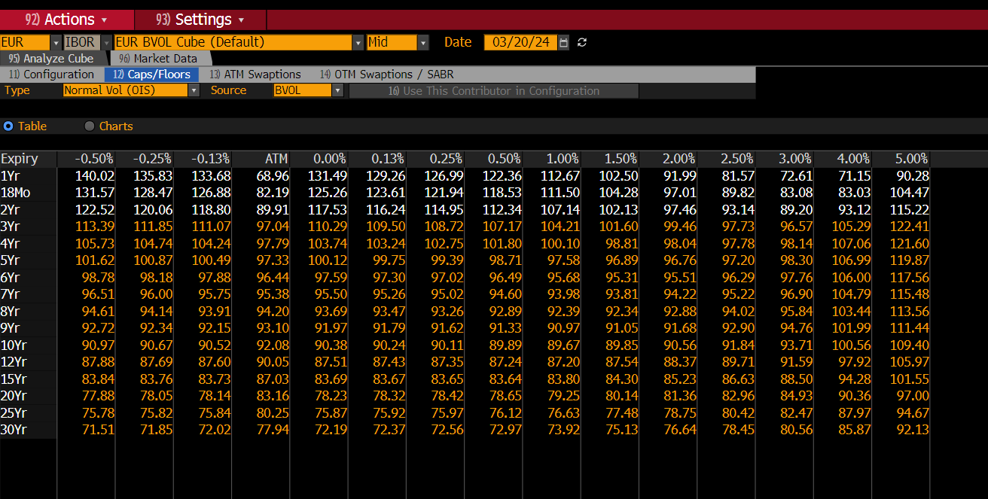
 |  |  |  | Expiry | -0.50% | -0.25% | -0.13% | ATM | 0.00% | 0.13% | 0.25% | 0.50% | 1.00% | 1.50% | 2.00% | 2.50% | 3.00% | 4.00% | 5.00%
 |  |  |  | 1Yr | 140.02 | 135.83 | 133.68 | 68.96 | 131.49 | 129.26 | 126.99 | 122.36 | 112.67 | 102.50 | 91.99 | 81.57 | 72.61 | 71.15 | 90.28
 |  |  |  | 18Mo | 131.57 | 128.47 | 126.88 | 82.19 | 125.26 | 123.61 | 121.94 | 118.53 | 111.50 | 104.28 | 97.01 | 89.82 | 83.08 | 83.03 | 104.47
 |  |  |  | 2Yr | 122.52 | 120.06 | 118.80 | 89.91 | 117.53 | 116.24 | 114.95 | 112.34 | 107.14 | 102.13 | 97.46 | 93.14 | 89.20 | 93.12 | 115.22
 |  |  |  | 3Yr | 113.39 | 111.85 | 111.07 | 97.04 | 110.29 | 109.50 | 108.72 | 107.17 | 104.21 | 101.60 | 99.46 | 97.73 | 96.57 | 105.29 | 122.41
 |  |  |  | 4Yr | 105.73 | 104.74 | 104.24 | 97.79 | 103.74 | 103.24 | 102.75 | 101.80 | 100.10 | 98.81 | 98.04 | 97.78 | 98.14 | 107.06 | 121.60
 |  |  |  | 5Yr | 101.62 | 100.87 | 100.49 | 97.33 | 100.12 | 99.75 | 99.39 | 98.71 | 97.58 | 96.89 | 96.76 | 97.20 | 98.30 | 106.99 | 119.87
 |  |  |  | 6Yr | 98.78 | 98.18 | 97.88 | 96.44 | 97.59 | 97.30 | 97.02 | 96.49 | 95.68 | 95.31 | 95.51 | 96.29 | 97.76 | 106.00 | 117.56
 |  |  |  | 7Yr | 96.51 | 96.00 | 95.75 | 95.38 | 95.50 | 95.26 | 95.02 | 94.60 | 93.98 | 93.81 | 94.22 | 95.22 | 96.90 | 104.79 | 115.48
 |  |  |  | 8Yr | 94.61 | 94.14 | 93.91 | 94.20 | 93.69 | 93.47 | 93.26 | 92.89 | 92.39 | 92.34 | 92.88 | 94.02 | 95.84 | 103.44 | 113.56
 |  |  |  | 9Yr | 92.72 | 92.34 | 92.15 | 93.10 | 91.97 | 91.79 | 91.62 | 91.33 | 90.97 | 91.05 | 91.68 | 92.90 | 94.76 | 101.99 | 111.44
 |  |  |  | 10Yr | 90.97 | 90.67 | 90.52 | 92.08 | 90.38 | 90.24 | 90.11 | 89.89 | 89.67 | 89.85 | 90.56 | 91.84 | 93.71 | 100.56 | 109.40
 |  |  |  | 12Yr | 87.88 | 87.69 | 87.60 | 90.05 | 87.51 | 87.43 | 87.35 | 87.24 | 87.20 | 87.54 | 88.37 | 89.71 | 91.59 | 97.92 | 105.97
 |  |  |  | 15Yr | 83.84 | 83.76 | 83.73 | 87.03 | 83.69 | 83.67 | 83.65 | 83.64 | 83.80 | 84.30 | 85.23 | 86.63 | 88.50 | 94.28 | 101.55
 |  |  |  | 20Yr | 77.88 | 78.05 | 78.14 | 83.16 | 78.23 | 78.32 | 78.42 | 78.65 | 79.25 | 80.14 | 81.36 | 82.96 | 84.93 | 90.36 | 97.00
 |  |  |  | 25Yr | 75.78 | 75.82 | 75.84 | 80.25 | 75.87 | 75.92 | 75.97 | 76.12 | 76.63 | 77.48 | 78.75 | 80.42 | 82.47 | 87.97 | 94.67
 |  |  |  | 30Yr | 71.51 | 71.85 | 72.02 | 77.94 | 72.19 | 72.37 | 72.56 | 72.97 | 73.92 | 75.13 | 76.64 | 78.45 | 80.56 | 85.87 | 92.13

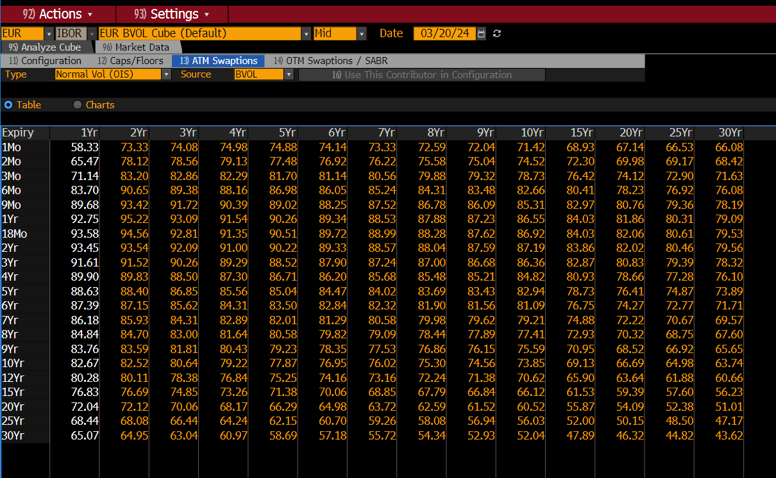

 |  |  |  |  | Expiry | 1Yr | 2Yr | 3Yr | 4Yr | 5Yr | 6Yr | 7Yr | 8Yr | 9Yr | 10Yr | 15Yr | 20Yr | 25Yr | 30Yr
 |  |  |  |  | 1Mo | 58.33 | 73.33 | 74.08 | 74.98 | 74.88 | 74.14 | 73.33 | 72.59 | 72.04 | 71.42 | 68.93 | 67.14 | 66.53 | 66.08
 |  |  |  |  | 2Mo | 65.47 | 78.12 | 78.56 | 79.13 | 77.48 | 76.92 | 76.22 | 75.58 | 75.04 | 74.52 | 72.30 | 69.98 | 69.17 | 68.42
 |  |  |  |  | 3Mo | 71.14 | 83.20 | 82.86 | 82.29 | 81.70 | 81.14 | 80.56 | 79.88 | 79.32 | 78.73 | 76.42 | 74.12 | 72.90 | 71.63
 |  |  |  |  | 6Mo | 83.70 | 90.65 | 89.38 | 88.16 | 86.98 | 86.05 | 85.24 | 84.31 | 83.48 | 82.66 | 80.41 | 78.23 | 76.92 | 76.08
 |  |  |  |  | 9Mo | 89.68 | 93.42 | 91.72 | 90.39 | 89.02 | 88.25 | 87.52 | 86.78 | 86.09 | 85.31 | 82.97 | 80.76 | 79.36 | 78.19
 |  |  |  |  | 1Yr | 92.75 | 95.22 | 93.09 | 91.54 | 90.26 | 89.34 | 88.53 | 87.88 | 87.23 | 86.55 | 84.03 | 81.86 | 80.31 | 79.09
 |  |  |  |  | 18Mo | 93.58 | 94.56 | 92.81 | 91.35 | 90.51 | 89.72 | 88.99 | 88.28 | 87.62 | 86.92 | 84.03 | 82.06 | 80.61 | 79.53
 |  |  |  |  | 2Yr | 93.45 | 93.54 | 92.09 | 91.00 | 90.22 | 89.33 | 88.57 | 88.04 | 87.59 | 87.19 | 83.86 | 82.02 | 80.46 | 79.56
 |  |  |  |  | 3Yr | 91.61 | 91.52 | 90.26 | 89.29 | 88.52 | 87.90 | 87.24 | 87.00 | 86.68 | 86.36 | 82.87 | 80.83 | 79.39 | 78.32
 |  |  |  |  | 4Yr | 89.90 | 89.83 | 88.50 | 87.30 | 86.71 | 86.20 | 85.68 | 85.48 | 85.21 | 84.82 | 80.93 | 78.66 | 77.28 | 76.10
 |  |  |  |  | 5Yr | 88.63 | 88.40 | 86.85 | 85.56 | 85.04 | 84.47 | 84.02 | 83.69 | 83.43 | 82.94 | 78.73 | 76.41 | 74.87 | 73.89
 |  |  |  |  | 6Yr | 87.39 | 87.15 | 85.62 | 84.31 | 83.50 | 82.84 | 82.32 | 81.90 | 81.56 | 81.09 | 76.75 | 74.27 | 72.77 | 71.71
 |  |  |  |  | 7Yr | 86.18 | 85.93 | 84.31 | 82.89 | 82.01 | 81.29 | 80.58 | 79.98 | 79.62 | 79.21 | 74.88 | 72.22 | 70.67 | 69.57
 |  |  |  |  | 8Yr | 84.84 | 84.70 | 83.00 | 81.64 | 80.58 | 79.82 | 79.09 | 78.44 | 77.89 | 77.41 | 72.93 | 70.32 | 68.75 | 67.60
 |  |  |  |  | 9Yr | 83.76 | 83.59 | 81.81 | 80.43 | 79.23 | 78.35 | 77.53 | 76.86 | 76.15 | 75.59 | 70.95 | 68.52 | 66.92 | 65.65
 |  |  |  |  | 10Yr | 82.67 | 82.52 | 80.64 | 79.22 | 77.87 | 76.95 | 76.02 | 75.30 | 74.56 | 73.85 | 69.13 | 66.69 | 64.98 | 63.74
 |  |  |  |  | 12Yr | 80.28 | 80.11 | 78.38 | 76.84 | 75.25 | 74.16 | 73.16 | 72.24 | 71.38 | 70.62 | 65.90 | 63.64 | 61.88 | 60.66
 |  |  |  |  | 15Yr | 76.83 | 76.69 | 74.85 | 73.26 | 71.38 | 70.06 | 68.85 | 67.79 | 66.84 | 66.12 | 61.53 | 59.39 | 57.60 | 56.23
 |  |  |  |  | 20Yr | 72.04 | 72.12 | 70.06 | 68.17 | 66.29 | 64.98 | 63.72 | 62.59 | 61.52 | 60.52 | 55.87 | 54.09 | 52.38 | 51.01
 |  |  |  |  | 25Yr | 68.44 | 68.08 | 66.44 | 64.24 | 62.15 | 60.70 | 59.26 | 58.08 | 56.94 | 56.03 | 52.00 | 50.15 | 48.50 | 47.17
 |  |  |  |  | 30Yr | 65.07 | 64.95 | 63.04 | 60.97 | 58.69 | 57.18 | 55.72 | 54.34 | 52.93 | 52.04 | 47.89 | 46.32 | 44.82 | 43.62

A vrai dire, je vois plus à quoi ça correspond ça:

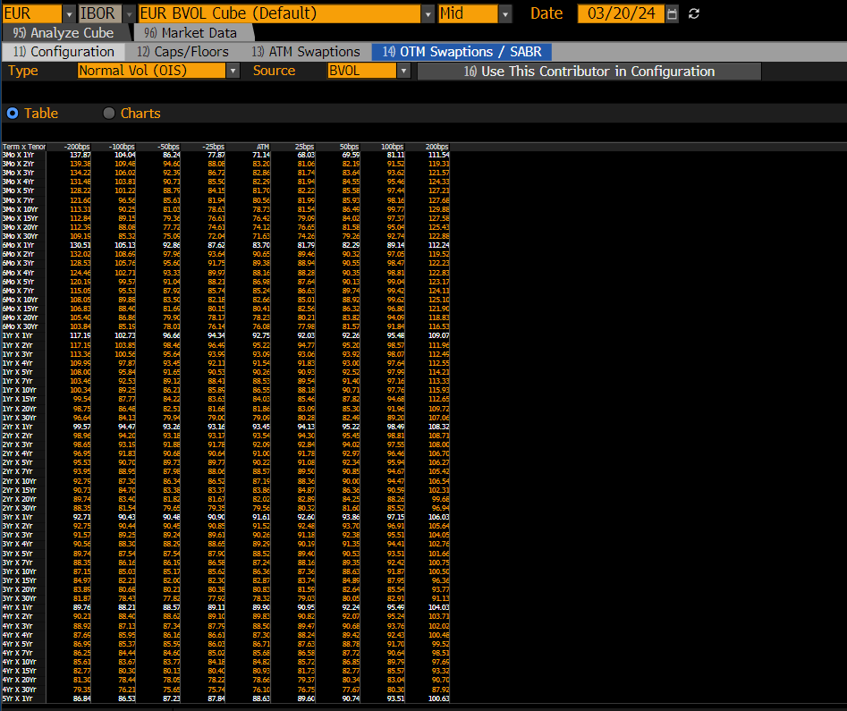
 | Term x Tenor | -200bps | -100bps | -50bps | -25bps | ATM | 25bps | 50bps | 100bps | 200bps
 | 3Mo X 1Yr | 137.87 | 104.04 | 86.24 | 77.87 | 71.14 | 68.03 | 69.59 | 81.11 | 111.54
 | 3Mo X 2Yr | 139.38 | 109.48 | 94.60 | 88.08 | 83.20 | 81.06 | 82.19 | 91.52 | 119.31
 | 3Mo X 3Yr | 134.22 | 106.02 | 92.39 | 86.72 | 82.86 | 81.74 | 83.64 | 93.62 | 121.57
 | 3Mo X 4Yr | 131.48 | 103.81 | 90.71 | 85.50 | 82.29 | 81.94 | 84.55 | 95.46 | 124.33
 | 3Mo X 5Yr | 128.22 | 101.22 | 88.79 | 84.15 | 81.70 | 82.22 | 85.58 | 97.44 | 127.21
 | 3Mo X 7Yr | 121.60 | 96.56 | 85.61 | 81.94 | 80.56 | 81.99 | 85.93 | 98.16 | 127.68
 | 3Mo X 10Yr | 113.31 | 90.25 | 81.03 | 78.63 | 78.73 | 81.54 | 86.49 | 99.77 | 129.88
 | 3Mo X 15Yr | 112.84 | 89.15 | 79.36 | 76.61 | 76.42 | 79.09 | 84.02 | 97.37 | 127.58
 | 3Mo X 20Yr | 112.39 | 88.08 | 77.72 | 74.61 | 74.12 | 76.65 | 81.58 | 95.04 | 125.43
 | 3Mo X 30Yr | 109.19 | 85.32 | 75.09 | 72.04 | 71.63 | 74.26 | 79.26 | 92.74 | 122.88
 | 6Mo X 1Yr | 130.51 | 105.13 | 92.86 | 87.62 | 83.70 | 81.79 | 82.29 | 89.14 | 112.24
 | 6Mo X 2Yr | 132.02 | 108.69 | 97.96 | 93.64 | 90.65 | 89.46 | 90.32 | 97.05 | 119.52
 | 6Mo X 3Yr | 128.53 | 105.76 | 95.60 | 91.75 | 89.38 | 88.94 | 90.55 | 98.47 | 122.23
 | 6Mo X 4Yr | 124.46 | 102.71 | 93.33 | 89.97 | 88.16 | 88.28 | 90.35 | 98.81 | 122.83
 | 6Mo X 5Yr | 120.19 | 99.57 | 91.04 | 88.21 | 86.98 | 87.64 | 90.13 | 99.04 | 123.17
 | 6Mo X 7Yr | 115.05 | 95.53 | 87.92 | 85.74 | 85.24 | 86.63 | 89.74 | 99.42 | 124.11
 | 6Mo X 10Yr | 108.05 | 89.88 | 83.50 | 82.18 | 82.66 | 85.01 | 88.92 | 99.62 | 125.10
 | 6Mo X 15Yr | 106.83 | 88.40 | 81.69 | 80.15 | 80.41 | 82.56 | 86.32 | 96.80 | 121.90
 | 6Mo X 20Yr | 105.40 | 86.86 | 79.90 | 78.17 | 78.23 | 80.21 | 83.82 | 94.09 | 118.83
 | 6Mo X 30Yr | 103.84 | 85.19 | 78.01 | 76.14 | 76.08 | 77.98 | 81.57 | 91.84 | 116.53
 | 1Yr X 1Yr | 117.19 | 102.73 | 96.66 | 94.34 | 92.75 | 92.03 | 92.26 | 95.48 | 109.07
 | 1Yr X 2Yr | 117.19 | 103.85 | 98.46 | 96.49 | 95.22 | 94.77 | 95.20 | 98.57 | 111.96
 | 1Yr X 3Yr | 113.36 | 100.56 | 95.64 | 93.99 | 93.09 | 93.06 | 93.92 | 98.07 | 112.49
 | 1Yr X 4Yr | 109.99 | 97.87 | 93.45 | 92.11 | 91.54 | 91.83 | 93.00 | 97.64 | 112.55
 | 1Yr X 5Yr | 108.00 | 95.84 | 91.65 | 90.53 | 90.26 | 90.93 | 92.52 | 97.99 | 114.21
 | 1Yr X 7Yr | 103.46 | 92.53 | 89.12 | 88.41 | 88.53 | 89.54 | 91.40 | 97.16 | 113.33
 | 1Yr X 10Yr | 100.34 | 89.25 | 86.21 | 85.89 | 86.55 | 88.18 | 90.71 | 97.76 | 115.93
 | 1Yr X 15Yr | 99.54 | 87.77 | 84.22 | 83.63 | 84.03 | 85.46 | 87.82 | 94.68 | 112.65
 | 1Yr X 20Yr | 98.75 | 86.48 | 82.51 | 81.68 | 81.86 | 83.09 | 85.30 | 91.96 | 109.72
 | 1Yr X 30Yr | 96.64 | 84.13 | 79.94 | 79.00 | 79.09 | 80.28 | 82.49 | 89.20 | 107.06
 | 2Yr X 1Yr | 99.57 | 94.47 | 93.26 | 93.16 | 93.45 | 94.13 | 95.22 | 98.49 | 108.32
 | 2Yr X 2Yr | 98.96 | 94.20 | 93.18 | 93.17 | 93.54 | 94.30 | 95.45 | 98.81 | 108.71
 | 2Yr X 3Yr | 98.65 | 93.19 | 91.88 | 91.78 | 92.09 | 92.84 | 94.02 | 97.55 | 108.00
 | 2Yr X 4Yr | 96.95 | 91.83 | 90.68 | 90.64 | 91.00 | 91.78 | 92.97 | 96.46 | 106.70
 | 2Yr X 5Yr | 95.53 | 90.70 | 89.73 | 89.77 | 90.22 | 91.08 | 92.34 | 95.94 | 106.27
 | 2Yr X 7Yr | 93.95 | 88.95 | 87.98 | 88.06 | 88.57 | 89.50 | 90.85 | 94.67 | 105.42
 | 2Yr X 10Yr | 92.79 | 87.30 | 86.34 | 86.52 | 87.19 | 88.36 | 90.00 | 94.47 | 106.54
 | 2Yr X 15Yr | 90.73 | 84.70 | 83.38 | 83.37 | 83.86 | 84.87 | 86.36 | 90.59 | 102.31
 | 2Yr X 20Yr | 89.74 | 83.40 | 81.82 | 81.67 | 82.02 | 82.89 | 84.25 | 88.26 | 99.68
 | 2Yr X 30Yr | 88.35 | 81.54 | 79.65 | 79.35 | 79.56 | 80.32 | 81.60 | 85.52 | 96.94
 | 3Yr X 1Yr | 92.71 | 90.43 | 90.48 | 90.90 | 91.61 | 92.60 | 93.86 | 97.15 | 106.03
 | 3Yr X 2Yr | 92.75 | 90.44 | 90.45 | 90.85 | 91.52 | 92.48 | 93.70 | 96.91 | 105.64
 | 3Yr X 3Yr | 91.57 | 89.25 | 89.24 | 89.61 | 90.26 | 91.18 | 92.38 | 95.51 | 104.05
 | 3Yr X 4Yr | 90.56 | 88.30 | 88.29 | 88.65 | 89.29 | 90.19 | 91.35 | 94.41 | 102.76
 | 3Yr X 5Yr | 89.74 | 87.54 | 87.54 | 87.90 | 88.52 | 89.40 | 90.53 | 93.51 | 101.66
 | 3Yr X 7Yr | 88.35 | 86.16 | 86.19 | 86.58 | 87.24 | 88.16 | 89.35 | 92.42 | 100.75
 | 3Yr X 10Yr | 87.15 | 85.03 | 85.17 | 85.62 | 86.36 | 87.36 | 88.63 | 91.87 | 100.50
 | 3Yr X 15Yr | 84.97 | 82.21 | 82.00 | 82.30 | 82.87 | 83.74 | 84.89 | 87.95 | 96.36
 | 3Yr X 20Yr | 83.89 | 80.68 | 80.21 | 80.38 | 80.83 | 81.59 | 82.64 | 85.54 | 93.77
 | 3Yr X 30Yr | 81.87 | 78.43 | 77.82 | 77.92 | 78.32 | 79.03 | 80.05 | 82.91 | 91.13
 | 4Yr X 1Yr | 89.76 | 88.21 | 88.57 | 89.11 | 89.90 | 90.95 | 92.24 | 95.49 | 104.03
 | 4Yr X 2Yr | 90.21 | 88.40 | 88.62 | 89.10 | 89.83 | 90.82 | 92.07 | 95.24 | 103.71
 | 4Yr X 3Yr | 88.92 | 87.13 | 87.34 | 87.79 | 88.50 | 89.47 | 90.68 | 93.76 | 102.02
 | 4Yr X 4Yr | 87.69 | 85.95 | 86.16 | 86.61 | 87.30 | 88.24 | 89.42 | 92.43 | 100.48
 | 4Yr X 5Yr | 86.99 | 85.37 | 85.59 | 86.03 | 86.71 | 87.63 | 88.78 | 91.70 | 99.52
 | 4Yr X 7Yr | 86.25 | 84.44 | 84.60 | 85.02 | 85.68 | 86.58 | 87.72 | 90.64 | 98.51
 | 4Yr X 10Yr | 85.61 | 83.67 | 83.77 | 84.18 | 84.82 | 85.72 | 86.85 | 89.79 | 97.69
 | 4Yr X 15Yr | 82.77 | 80.30 | 80.13 | 80.40 | 80.93 | 81.73 | 82.77 | 85.57 | 93.32
 | 4Yr X 20Yr | 81.30 | 78.44 | 78.05 | 78.22 | 78.66 | 79.37 | 80.34 | 83.04 | 90.70
 | 4Yr X 30Yr | 79.35 | 76.21 | 75.65 | 75.74 | 76.10 | 76.75 | 77.67 | 80.30 | 87.92
 | 5Yr X 1Yr | 86.84 | 86.53 | 87.23 | 87.84 | 88.63 | 89.60 | 90.74 | 93.51 | 100.63
 | 5Yr X 2Yr | 86.52 | 86.27 | 86.99 | 87.61 | 88.40 | 89.38 | 90.52 | 93.28 | 100.36
 | 5Yr X 3Yr | 86.30 | 85.21 | 85.62 | 86.13 | 86.85 | 87.78 | 88.91 | 91.74 | 99.20
 | 5Yr X 4Yr | 85.59 | 84.17 | 84.44 | 84.89 | 85.56 | 86.45 | 87.56 | 90.37 | 97.88
 | 5Yr X 5Yr | 85.62 | 83.79 | 83.94 | 84.37 | 85.04 | 85.96 | 87.11 | 90.08 | 98.02
 | 5Yr X 7Yr | 85.18 | 83.08 | 83.08 | 83.42 | 84.02 | 84.86 | 85.94 | 88.78 | 96.53
 | 5Yr X 10Yr | 84.36 | 82.12 | 82.06 | 82.37 | 82.94 | 83.76 | 84.83 | 87.64 | 95.36
 | 5Yr X 15Yr | 81.01 | 78.35 | 78.06 | 78.27 | 78.73 | 79.46 | 80.45 | 83.14 | 90.70
 | 5Yr X 20Yr | 79.20 | 76.32 | 75.88 | 76.02 | 76.41 | 77.07 | 77.99 | 80.56 | 87.95
 | 5Yr X 30Yr | 76.97 | 73.99 | 73.46 | 73.54 | 73.89 | 74.50 | 75.38 | 77.88 | 85.15
 | 7Yr X 1Yr | 83.82 | 83.90 | 84.73 | 85.37 | 86.18 | 87.15 | 88.27 | 90.94 | 97.68
 | 7Yr X 2Yr | 83.88 | 83.79 | 84.54 | 85.15 | 85.93 | 86.87 | 87.97 | 90.60 | 97.30
 | 7Yr X 3Yr | 82.61 | 82.31 | 82.98 | 83.56 | 84.31 | 85.23 | 86.31 | 88.93 | 95.64
 | 7Yr X 4Yr | 81.69 | 81.11 | 81.66 | 82.19 | 82.89 | 83.78 | 84.84 | 87.43 | 94.16
 | 7Yr X 5Yr | 81.18 | 80.38 | 80.84 | 81.33 | 82.01 | 82.87 | 83.91 | 86.49 | 93.23
 | 7Yr X 7Yr | 80.19 | 79.19 | 79.53 | 79.96 | 80.58 | 81.38 | 82.36 | 84.83 | 91.38
 | 7Yr X 10Yr | 79.30 | 78.10 | 78.31 | 78.67 | 79.21 | 79.94 | 80.86 | 83.19 | 89.52
 | 7Yr X 15Yr | 76.26 | 74.35 | 74.23 | 74.45 | 74.88 | 75.51 | 76.35 | 78.61 | 85.00
 | 7Yr X 20Yr | 74.66 | 72.18 | 71.79 | 71.89 | 72.22 | 72.77 | 73.55 | 75.76 | 82.21
 | 7Yr X 30Yr | 72.54 | 69.81 | 69.28 | 69.31 | 69.57 | 70.07 | 70.81 | 72.97 | 79.41
 | 10Yr X 1Yr | 79.33 | 80.20 | 81.21 | 81.88 | 82.67 | 83.56 | 84.56 | 86.86 | 92.50
 | 10Yr X 2Yr | 78.91 | 79.98 | 81.05 | 81.73 | 82.52 | 83.42 | 84.41 | 86.68 | 92.17
 | 10Yr X 3Yr | 78.35 | 78.60 | 79.36 | 79.93 | 80.64 | 81.47 | 82.43 | 84.70 | 90.43
 | 10Yr X 4Yr | 77.60 | 77.50 | 78.10 | 78.59 | 79.22 | 79.99 | 80.89 | 83.07 | 88.70
 | 10Yr X 5Yr | 76.47 | 76.16 | 76.73 | 77.22 | 77.87 | 78.67 | 79.61 | 81.91 | 87.84
 | 10Yr X 7Yr | 75.55 | 74.85 | 75.16 | 75.52 | 76.02 | 76.68 | 77.48 | 79.51 | 84.97
 | 10Yr X 10Yr | 73.68 | 72.90 | 73.11 | 73.41 | 73.85 | 74.43 | 75.15 | 76.99 | 82.07
 | 10Yr X 15Yr | 69.88 | 68.56 | 68.55 | 68.76 | 69.13 | 69.66 | 70.35 | 72.20 | 77.46
 | 10Yr X 20Yr | 68.10 | 66.41 | 66.23 | 66.37 | 66.69 | 67.18 | 67.85 | 69.71 | 75.09
 | 10Yr X 30Yr | 65.11 | 63.52 | 63.33 | 63.46 | 63.74 | 64.20 | 64.83 | 66.57 | 71.68
 | 15Yr X 1Yr | 73.25 | 74.49 | 75.50 | 76.13 | 76.83 | 77.62 | 78.50 | 80.47 | 85.25
 | 15Yr X 2Yr | 72.64 | 74.15 | 75.27 | 75.94 | 76.69 | 77.51 | 78.41 | 80.41 | 85.16
 | 15Yr X 3Yr | 71.50 | 72.55 | 73.52 | 74.14 | 74.85 | 75.66 | 76.55 | 78.59 | 83.55
 | 15Yr X 4Yr | 70.51 | 71.27 | 72.09 | 72.63 | 73.26 | 73.99 | 74.81 | 76.72 | 81.46
 | 15Yr X 5Yr | 68.90 | 69.60 | 70.33 | 70.82 | 71.38 | 72.03 | 72.77 | 74.48 | 78.78
 | 15Yr X 7Yr | 67.24 | 67.39 | 67.93 | 68.34 | 68.85 | 69.47 | 70.19 | 71.94 | 76.47
 | 15Yr X 10Yr | 65.12 | 64.98 | 65.35 | 65.68 | 66.12 | 66.66 | 67.31 | 68.93 | 73.26
 | 15Yr X 15Yr | 61.09 | 60.61 | 60.85 | 61.13 | 61.53 | 62.05 | 62.69 | 64.32 | 68.77
 | 15Yr X 20Yr | 59.29 | 58.60 | 58.76 | 59.01 | 59.39 | 59.90 | 60.54 | 62.20 | 66.77
 | 15Yr X 30Yr | 56.17 | 55.47 | 55.61 | 55.86 | 56.23 | 56.73 | 57.36 | 59.00 | 63.53
 | 20Yr X 1Yr | 67.63 | 69.53 | 70.69 | 71.34 | 72.04 | 72.80 | 73.60 | 75.37 | 79.46
 | 20Yr X 2Yr | 67.43 | 69.50 | 70.73 | 71.40 | 72.12 | 72.89 | 73.70 | 75.47 | 79.50
 | 20Yr X 3Yr | 65.12 | 67.34 | 68.63 | 69.32 | 70.06 | 70.84 | 71.65 | 73.41 | 77.36
 | 20Yr X 4Yr | 63.71 | 65.69 | 66.85 | 67.49 | 68.17 | 68.90 | 69.66 | 71.31 | 75.09
 | 20Yr X 5Yr | 62.85 | 64.27 | 65.18 | 65.71 | 66.29 | 66.91 | 67.59 | 69.11 | 72.71
 | 20Yr X 7Yr | 60.08 | 61.62 | 62.58 | 63.12 | 63.72 | 64.35 | 65.04 | 66.56 | 70.12
 | 20Yr X 10Yr | 58.34 | 59.04 | 59.66 | 60.06 | 60.52 | 61.05 | 61.65 | 63.06 | 66.61
 | 20Yr X 15Yr | 54.04 | 54.49 | 55.03 | 55.41 | 55.87 | 56.41 | 57.02 | 58.49 | 62.23
 | 20Yr X 20Yr | 52.31 | 52.68 | 53.22 | 53.62 | 54.09 | 54.66 | 55.31 | 56.86 | 60.82
 | 20Yr X 30Yr | 49.56 | 49.76 | 50.22 | 50.57 | 51.01 | 51.55 | 52.17 | 53.68 | 57.60
 | 30Yr X 1Yr | 59.87 | 62.36 | 63.67 | 64.36 | 65.07 | 65.82 | 66.59 | 68.24 | 71.88
 | 30Yr X 2Yr | 59.73 | 62.23 | 63.55 | 64.24 | 64.95 | 65.70 | 66.48 | 68.12 | 71.75
 | 30Yr X 3Yr | 56.94 | 60.05 | 61.54 | 62.29 | 63.04 | 63.80 | 64.56 | 66.11 | 69.31
 | 30Yr X 4Yr | 55.29 | 58.18 | 59.57 | 60.27 | 60.97 | 61.68 | 62.39 | 63.85 | 66.88
 | 30Yr X 5Yr | 54.71 | 56.55 | 57.56 | 58.11 | 58.69 | 59.31 | 59.96 | 61.38 | 64.62
 | 30Yr X 7Yr | 50.64 | 53.19 | 54.44 | 55.07 | 55.72 | 56.37 | 57.03 | 58.39 | 61.25
 | 30Yr X 10Yr | 48.91 | 50.28 | 51.09 | 51.54 | 52.04 | 52.57 | 53.15 | 54.42 | 57.42
 | 30Yr X 15Yr | 45.36 | 46.34 | 47.02 | 47.43 | 47.89 | 48.40 | 48.97 | 50.27 | 53.43
 | 30Yr X 20Yr | 44.24 | 44.91 | 45.49 | 45.87 | 46.32 | 46.84 | 47.43 | 48.80 | 52.23
 | 30Yr X 30Yr | 42.00 | 42.42 | 42.89 | 43.22 | 43.62 | 44.10 | 44.64 | 45.95 | 49.30
 | * Indicates QUARTERLY index frequen

OIS
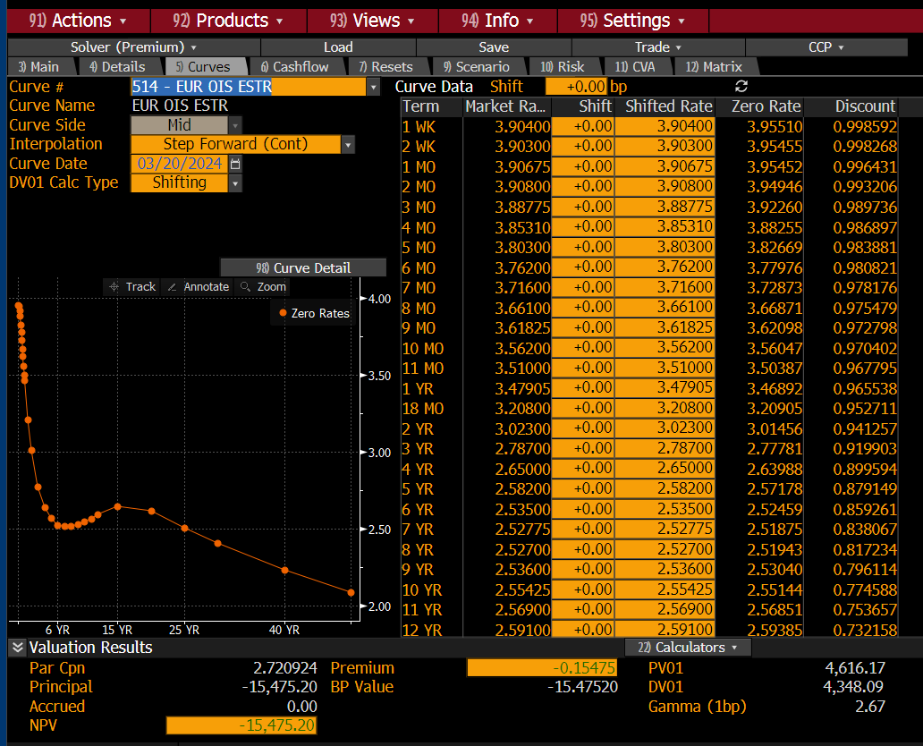
 |  |  |  |  |  |  |  |  |  |  |  |  | Term | Market Rate | Shift | Shifted Rate | Zero Rate | Discount
 |  |  |  |  |  |  |  |  |  |  |  |  | 1 WK | 3.904 | 0 | 3.904 | 3.9551 | 0.998592
 |  |  |  |  |  |  |  |  |  |  |  |  | 2 WK | 3.903 | 0 | 3.903 | 3.95455 | 0.998268
 |  |  |  |  |  |  |  |  |  |  |  |  | 1 MO | 3.90675 | 0 | 3.90675 | 3.95452 | 0.996431
 |  |  |  |  |  |  |  |  |  |  |  |  | 2 MO | 3.908 | 0 | 3.908 | 3.94946 | 0.993206
 |  |  |  |  |  |  |  |  |  |  |  |  | 3 MO | 3.88775 | 0 | 3.88775 | 3.9226 | 0.989736
 |  |  |  |  |  |  |  |  |  |  |  |  | 4 MO | 3.8531 | 0 | 3.8531 | 3.88255 | 0.986897
 |  |  |  |  |  |  |  |  |  |  |  |  | 5 MO | 3.803 | 0 | 3.803 | 3.82669 | 0.983881
 |  |  |  |  |  |  |  |  |  |  |  |  | 6 MO | 3.762 | 0 | 3.762 | 3.77976 | 0.980821
 |  |  |  |  |  |  |  |  |  |  |  |  | 7 MO | 3.716 | 0 | 3.716 | 3.72873 | 0.978176
 |  |  |  |  |  |  |  |  |  |  |  |  | 8 MO | 3.661 | 0 | 3.661 | 3.66871 | 0.975479
 |  |  |  |  |  |  |  |  |  |  |  |  | 9 MO | 3.61825 | 0 | 3.61825 | 3.62098 | 0.972798
 |  |  |  |  |  |  |  |  |  |  |  |  | 10 MO | 3.562 | 0 | 3.562 | 3.56047 | 0.970402
 |  |  |  |  |  |  |  |  |  |  |  |  | 11 MO | 3.51 | 0 | 3.51 | 3.50387 | 0.967795
 |  |  |  |  |  |  |  |  |  |  |  |  | 1 YR | 3.47905 | 0 | 3.47905 | 3.46892 | 0.965538
 |  |  |  |  |  |  |  |  |  |  |  |  | 18 MO | 3.208 | 0 | 3.208 | 3.20905 | 0.952711
 |  |  |  |  |  |  |  |  |  |  |  |  | 2 YR | 3.023 | 0 | 3.023 | 3.01456 | 0.941257
 |  |  |  |  |  |  |  |  |  |  |  |  | 3 YR | 2.787 | 0 | 2.787 | 2.77781 | 0.919903
 |  |  |  |  |  |  |  |  |  |  |  |  | 4 YR | 2.65 | 0 | 2.65 | 2.63988 | 0.899594
 |  |  |  |  |  |  |  |  |  |  |  |  | 5 YR | 2.582 | 0 | 2.582 | 2.57178 | 0.879149
 |  |  |  |  |  |  |  |  |  |  |  |  | 6 YR | 2.535 | 0 | 2.535 | 2.52459 | 0.859261
 |  |  |  |  |  |  |  |  |  |  |  |  | 7 YR | 2.52775 | 0 | 2.52775 | 2.51875 | 0.838067
 |  |  |  |  |  |  |  |  |  |  |  |  | 8 YR | 2.527 | 0 | 2.527 | 2.51943 | 0.817234
 |  |  |  |  |  |  |  |  |  |  |  |  | 9 YR | 2.536 | 0 | 2.536 | 2.5304 | 0.796114
 |  |  |  |  |  |  |  |  |  |  |  |  | 10 YR | 2.55425 | 0 | 2.55425 | 2.55144 | 0.774588
 |  |  |  |  |  |  |  |  |  |  |  |  | 11 YR | 2.569 | 0 | 2.569 | 2.56851 | 0.753657
 |  |  |  |  |  |  |  |  |  |  |  |  | 12 YR | 2.591 | 0 | 2.591 | 2.59385 | 0.732158
 |  |  |  |  |  |  |  |  |  |  |  |  | 15 YR | 2.63525 | 0 | 2.63525 | 2.64524 | 0.672234
 |  |  |  |  |  |  |  |  |  |  |  |  | 20 YR | 2.614 | 0 | 2.614 | 2.61724 | 0.592177
 |  |  |  |  |  |  |  |  |  |  |  |  | 25 YR | 2.53075 | 0 | 2.53075 | 2.50941 | 0.53371
 |  |  |  |  |  |  |  |  |  |  |  |  | 30 YR | 2.452 | 0 | 2.452 | 2.40675 | 0.485447
 |  |  |  |  |  |  |  |  |  |  |  |  | 40 YR | 2.322 | 0 | 2.322 | 2.23582 | 0.408532
 |  |  |  |  |  |  |  |  |  |  |  |  | 50 YR | 2.21425 | 0 | 2.21425 | 2.08973 | 0.351458

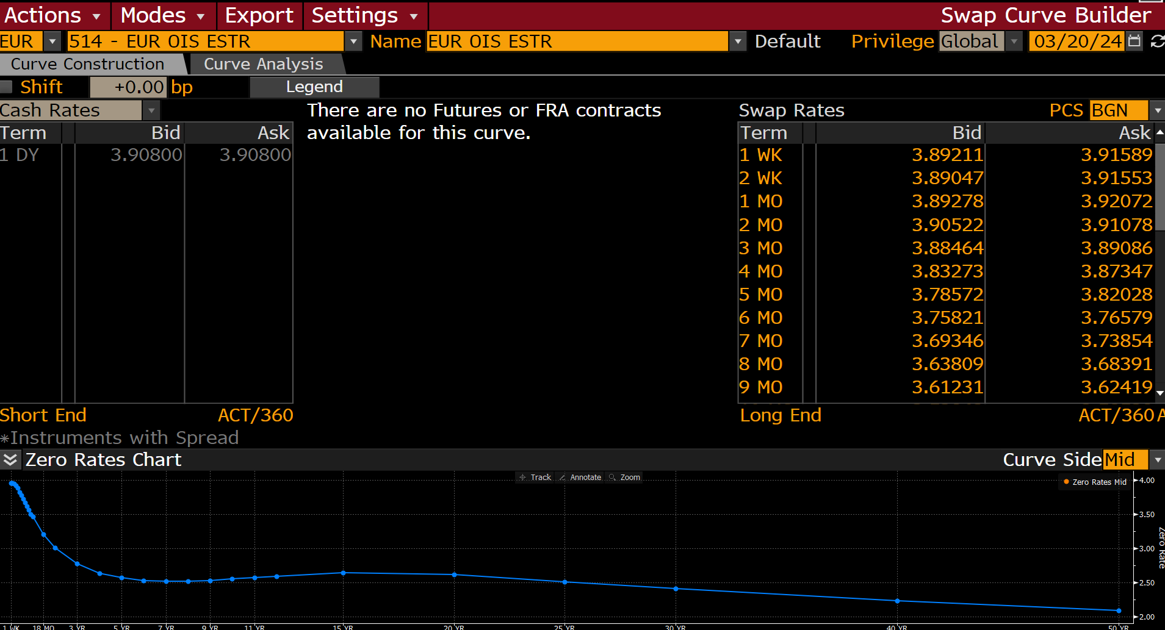

Term | Unit | Ticker | Bid | Ask | Spread | Bid Spr Val | Ask Spr Val | Final Bid Rate | Final Ask Rate | Rate Type | Daycount | Freq
1 | WK | EESWE1Z | 3.8921074867 | 3.9158921242 |  | 0 | 0 | 3.8921074867 | 3.9158921242 | Swap Rates | ACT/360 | 1
2 | WK | EESWE2Z | 3.8904731274 | 3.9155266285 |  | 0 | 0 | 3.8904731274 | 3.9155266285 | Swap Rates | ACT/360 | 1
1 | MO | EESWEA | 3.8927764893 | 3.9207234383 |  | 0 | 0 | 3.8927764893 | 3.9207234383 | Swap Rates | ACT/360 | 1
2 | MO | EESWEB | 3.9052193165 | 3.9107806683 |  | 0 | 0 | 3.9052193165 | 3.9107806683 | Swap Rates | ACT/360 | 1
3 | MO | EESWEC | 3.8846395016 | 3.890860796 |  | 0 | 0 | 3.8846395016 | 3.890860796 | Swap Rates | ACT/360 | 1
4 | MO | EESWED | 3.832729578 | 3.8734705448 |  | 0 | 0 | 3.832729578 | 3.8734705448 | Swap Rates | ACT/360 | 1
5 | MO | EESWEE | 3.7857165337 | 3.8202834129 |  | 0 | 0 | 3.7857165337 | 3.8202834129 | Swap Rates | ACT/360 | 1
6 | MO | EESWEF | 3.7582054138 | 3.765794754 |  | 0 | 0 | 3.7582054138 | 3.765794754 | Swap Rates | ACT/360 | 1
7 | MO | EESWEG | 3.693459034 | 3.7385411263 |  | 0 | 0 | 3.693459034 | 3.7385411263 | Swap Rates | ACT/360 | 1
8 | MO | EESWEH | 3.6380906105 | 3.6839094162 |  | 0 | 0 | 3.6380906105 | 3.6839094162 | Swap Rates | ACT/360 | 1
9 | MO | EESWEI | 3.6123056412 | 3.6241941452 |  | 0 | 0 | 3.6123056412 | 3.6241941452 | Swap Rates | ACT/360 | 1
10 | MO | EESWEJ | 3.5386152267 | 3.5853843689 |  | 0 | 0 | 3.5386152267 | 3.5853843689 | Swap Rates | ACT/360 | 1
11 | MO | EESWEK | 3.4868502617 | 3.5331492424 |  | 0 | 0 | 3.4868502617 | 3.5331492424 | Swap Rates | ACT/360 | 1
1 | YR | EESWE1 | 3.4749159813 | 3.4831838608 |  | 0 | 0 | 3.4749159813 | 3.4831838608 | Swap Rates | ACT/360 | 1
18 | MO | EESWE1F | 3.2039093971 | 3.2120904922 |  | 0 | 0 | 3.2039093971 | 3.2120904922 | Swap Rates | ACT/360 | 1
2 | YR | EESWE2 | 3.0187661648 | 3.027233839 |  | 0 | 0 | 3.0187661648 | 3.027233839 | Swap Rates | ACT/360 | 1
3 | YR | EESWE3 | 2.7790398598 | 2.794960022 |  | 0 | 0 | 2.7790398598 | 2.794960022 | Swap Rates | ACT/360 | 1
4 | YR | EESWE4 | 2.6401951313 | 2.6598050594 |  | 0 | 0 | 2.6401951313 | 2.6598050594 | Swap Rates | ACT/360 | 1
5 | YR | EESWE5 | 2.5721805096 | 2.5918200016 |  | 0 | 0 | 2.5721805096 | 2.5918200016 | Swap Rates | ACT/360 | 1
6 | YR | EESWE6 | 2.5248608589 | 2.5451388359 |  | 0 | 0 | 2.5248608589 | 2.5451388359 | Swap Rates | ACT/360 | 1
7 | YR | EESWE7 | 2.5184442997 | 2.5370557308 |  | 0 | 0 | 2.5184442997 | 2.5370557308 | Swap Rates | ACT/360 | 1
8 | YR | EESWE8 | 2.5171964169 | 2.536803484 |  | 0 | 0 | 2.5171964169 | 2.536803484 | Swap Rates | ACT/360 | 1
9 | YR | EESWE9 | 2.5257105827 | 2.5462889671 |  | 0 | 0 | 2.5257105827 | 2.5462889671 | Swap Rates | ACT/360 | 1
10 | YR | EESWE10 | 2.5506381989 | 2.557861805 |  | 0 | 0 | 2.5506381989 | 2.557861805 | Swap Rates | ACT/360 | 1
11 | YR | EESWE11 | 2.5576331615 | 2.5803663731 |  | 0 | 0 | 2.5576331615 | 2.5803663731 | Swap Rates | ACT/360 | 1
12 | YR | EESWE12 | 2.5806987286 | 2.6013014317 |  | 0 | 0 | 2.5806987286 | 2.6013014317 | Swap Rates | ACT/360 | 1
15 | YR | EESWE15 | 2.6231348515 | 2.6473653316 |  | 0 | 0 | 2.6231348515 | 2.6473653316 | Swap Rates | ACT/360 | 1
20 | YR | EESWE20 | 2.5996594429 | 2.6283407211 |  | 0 | 0 | 2.5996594429 | 2.6283407211 | Swap Rates | ACT/360 | 1
25 | YR | EESWE25 | 2.515242815 | 2.5462572575 |  | 0 | 0 | 2.515242815 | 2.5462572575 | Swap Rates | ACT/360 | 1
30 | YR | EESWE30 | 2.4379346371 | 2.4660651684 |  | 0 | 0 | 2.4379346371 | 2.4660651684 | Swap Rates | ACT/360 | 1
40 | YR | EESWE40 | 2.2959609032 | 2.3480391502 |  | 0 | 0 | 2.2959609032 | 2.3480391502 | Swap Rates | ACT/360 | 1
50 | YR | EESWE50 | 2.1884770393 | 2.2400231361 |  | 0 | 0 | 2.1884770393 | 2.2400231361 | Swap Rates | ACT/360 | 1

E3M
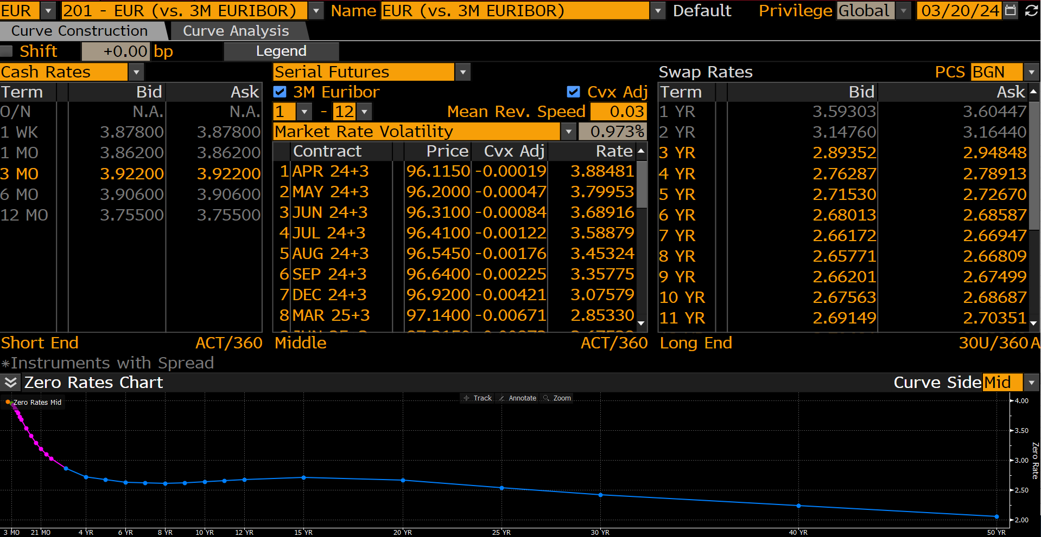
 |  |  |  | Term | Unit | Ticker | Bid | Ask | Spread | Bid Spr Val | Ask Spr Val | Final Bid Rate | Final Ask Rate | Rate Type | Daycount | Freq
 |  |  |  | 3 | MO | EUR003M | 3.922 | 3.922 |  | 0 | 0 | 3.922 | 3.922 | Cash Rates | ACT/360 | 0
 |  |  |  | 20240717 | ACTDATE | ERJ4 | 3.88481276 | 3.88481276 |  | 0 | 0 | 3.88481276 | 3.88481276 | Serial Futures | ACT/360 | 0
 |  |  |  | 20240821 | ACTDATE | ERK4 | 3.799531233 | 3.799531233 |  | 0 | 0 | 3.799531233 | 3.799531233 | Serial Futures | ACT/360 | 0
 |  |  |  | 20240918 | ACTDATE | ERM4 | 3.6891619728 | 3.6891619728 |  | 0 | 0 | 3.6891619728 | 3.6891619728 | Serial Futures | ACT/360 | 0
 |  |  |  | 20241016 | ACTDATE | ERN4 | 3.5887877373 | 3.5887877373 |  | 0 | 0 | 3.5887877373 | 3.5887877373 | Serial Futures | ACT/360 | 0
 |  |  |  | 20241120 | ACTDATE | ERQ4 | 3.4532420451 | 3.4532420451 |  | 0 | 0 | 3.4532420451 | 3.4532420451 | Serial Futures | ACT/360 | 0
 |  |  |  | 20241218 | ACTDATE | ERU4 | 3.3577473055 | 3.3577473055 |  | 0 | 0 | 3.3577473055 | 3.3577473055 | Serial Futures | ACT/360 | 0
 |  |  |  | 20250319 | ACTDATE | ERZ4 | 3.075789414 | 3.075789414 |  | 0 | 0 | 3.075789414 | 3.075789414 | Serial Futures | ACT/360 | 0
 |  |  |  | 20250618 | ACTDATE | ERH5 | 2.8532954261 | 2.8532954261 |  | 0 | 0 | 2.8532954261 | 2.8532954261 | Serial Futures | ACT/360 | 0
 |  |  |  | 20250917 | ACTDATE | ERM5 | 2.6752858618 | 2.6752858618 |  | 0 | 0 | 2.6752858618 | 2.6752858618 | Serial Futures | ACT/360 | 0
 |  |  |  | 20251217 | ACTDATE | ERU5 | 2.5517588734 | 2.5517588734 |  | 0 | 0 | 2.5517588734 | 2.5517588734 | Serial Futures | ACT/360 | 0
 |  |  |  | 20260318 | ACTDATE | ERZ5 | 2.4677340836 | 2.4677340836 |  | 0 | 0 | 2.4677340836 | 2.4677340836 | Serial Futures | ACT/360 | 0
 |  |  |  | 20260617 | ACTDATE | ERH6 | 2.4232221072 | 2.4232221072 |  | 0 | 0 | 2.4232221072 | 2.4232221072 | Serial Futures | ACT/360 | 0
 |  |  |  | 3 | YR | EUSW3V3 | 2.8935172558 | 2.9484827518 |  | 0 | 0 | 2.8935172558 | 2.9484827518 | Swap Rates | 30U/360 | 1
 |  |  |  | 4 | YR | EUSW4V3 | 2.7628674507 | 2.7891325951 |  | 0 | 0 | 2.7628674507 | 2.7891325951 | Swap Rates | 30U/360 | 1
 |  |  |  | 5 | YR | EUSW5V3 | 2.7152996063 | 2.7267007828 |  | 0 | 0 | 2.7152996063 | 2.7267007828 | Swap Rates | 30U/360 | 1
 |  |  |  | 6 | YR | EUSW6V3 | 2.6801276207 | 2.6858725548 |  | 0 | 0 | 2.6801276207 | 2.6858725548 | Swap Rates | 30U/360 | 1
 |  |  |  | 7 | YR | EUSW7V3 | 2.6617248058 | 2.6694748402 |  | 0 | 0 | 2.6617248058 | 2.6694748402 | Swap Rates | 30U/360 | 1
 |  |  |  | 8 | YR | EUSW8V3 | 2.6577062607 | 2.6680936813 |  | 0 | 0 | 2.6577062607 | 2.6680936813 | Swap Rates | 30U/360 | 1
 |  |  |  | 9 | YR | EUSW9V3 | 2.6620121002 | 2.674987793 |  | 0 | 0 | 2.6620121002 | 2.674987793 | Swap Rates | 30U/360 | 1
 |  |  |  | 10 | YR | EUSW10V3 | 2.6756253242 | 2.6868748665 |  | 0 | 0 | 2.6756253242 | 2.6868748665 | Swap Rates | 30U/360 | 1
 |  |  |  | 11 | YR | EUSW11V3 | 2.6914887428 | 2.7035112381 |  | 0 | 0 | 2.6914887428 | 2.7035112381 | Swap Rates | 30U/360 | 1
 |  |  |  | 12 | YR | EUSW12V3 | 2.7069132328 | 2.7226865292 |  | 0 | 0 | 2.7069132328 | 2.7226865292 | Swap Rates | 30U/360 | 1
 |  |  |  | 15 | YR | EUSW15V3 | 2.745010376 | 2.7515897751 |  | 0 | 0 | 2.745010376 | 2.7515897751 | Swap Rates | 30U/360 | 1
 |  |  |  | 20 | YR | EUSW20V3 | 2.7002789974 | 2.7197210789 |  | 0 | 0 | 2.7002789974 | 2.7197210789 | Swap Rates | 30U/360 | 1
 |  |  |  | 25 | YR | EUSW25V3 | 2.596722126 | 2.6172776222 |  | 0 | 0 | 2.596722126 | 2.6172776222 | Swap Rates | 30U/360 | 1
 |  |  |  | 30 | YR | EUSW30V3 | 2.5051534176 | 2.5248463154 |  | 0 | 0 | 2.5051534176 | 2.5248463154 | Swap Rates | 30U/360 | 1
 |  |  |  | 40 | YR | EUSW40V3 | 2.3599185944 | 2.3865814209 |  | 0 | 0 | 2.3599185944 | 2.3865814209 | Swap Rates | 30U/360 | 1
 |  |  |  | 50 | YR | EUSW50V3 | 2.2251331806 | 2.2528665066 |  | 0 | 0 | 2.2251331806 | 2.2528665066 | Swap Rates | 30U/360 | 1

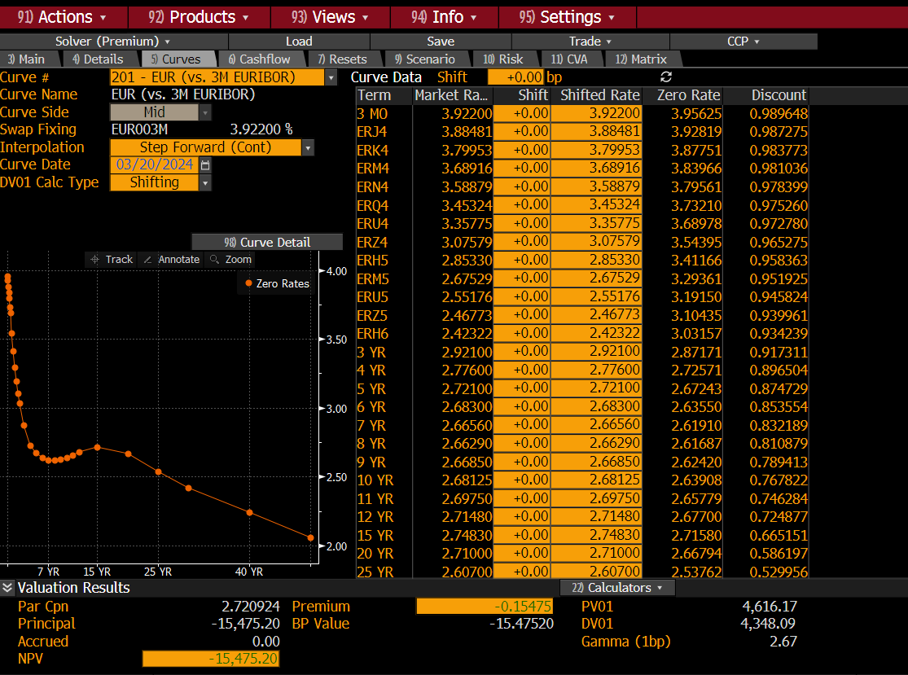
Term | Market Rate | Shift | Shifted Rate | Zero Rate | Discount
3 MO | 3.922 | 0 | 3.922 | 3.95625 | 0.989648
ERJ4 | 3.88481 | 0 | 3.88481 | 3.92819 | 0.987275
ERK4 | 3.79953 | 0 | 3.79953 | 3.87751 | 0.983773
ERM4 | 3.68916 | 0 | 3.68916 | 3.83966 | 0.981036
ERN4 | 3.58879 | 0 | 3.58879 | 3.79561 | 0.978399
ERQ4 | 3.45324 | 0 | 3.45324 | 3.7321 | 0.97526
ERU4 | 3.35775 | 0 | 3.35775 | 3.68978 | 0.97278
ERZ4 | 3.07579 | 0 | 3.07579 | 3.54395 | 0.965275
ERH5 | 2.8533 | 0 | 2.8533 | 3.41166 | 0.958363
ERM5 | 2.67529 | 0 | 2.67529 | 3.29361 | 0.951925
ERU5 | 2.55176 | 0 | 2.55176 | 3.1915 | 0.945824
ERZ5 | 2.46773 | 0 | 2.46773 | 3.10435 | 0.939961
ERH6 | 2.42322 | 0 | 2.42322 | 3.03157 | 0.934239
3 YR | 2.921 | 0 | 2.921 | 2.87171 | 0.917311
4 YR | 2.776 | 0 | 2.776 | 2.72571 | 0.896504
5 YR | 2.721 | 0 | 2.721 | 2.67243 | 0.874729
6 YR | 2.683 | 0 | 2.683 | 2.6355 | 0.853554
7 YR | 2.6656 | 0 | 2.6656 | 2.6191 | 0.832189
8 YR | 2.6629 | 0 | 2.6629 | 2.61687 | 0.810879
9 YR | 2.6685 | 0 | 2.6685 | 2.6242 | 0.789413
10 YR | 2.68125 | 0 | 2.68125 | 2.63908 | 0.767822
11 YR | 2.6975 | 0 | 2.6975 | 2.65779 | 0.746284
12 YR | 2.7148 | 0 | 2.7148 | 2.677 | 0.724877
15 YR | 2.7483 | 0 | 2.7483 | 2.7158 | 0.665151
20 YR | 2.71 | 0 | 2.71 | 2.66794 | 0.586197
25 YR | 2.607 | 0 | 2.607 | 2.53762 | 0.529956
30 YR | 2.515 | 0 | 2.515 | 2.42046 | 0.483453
40 YR | 2.37325 | 0 | 2.37325 | 2.23893 | 0.408024
50 YR | 2.239 | 0 | 2.239 | 2.05786 | 0.357107

E6M
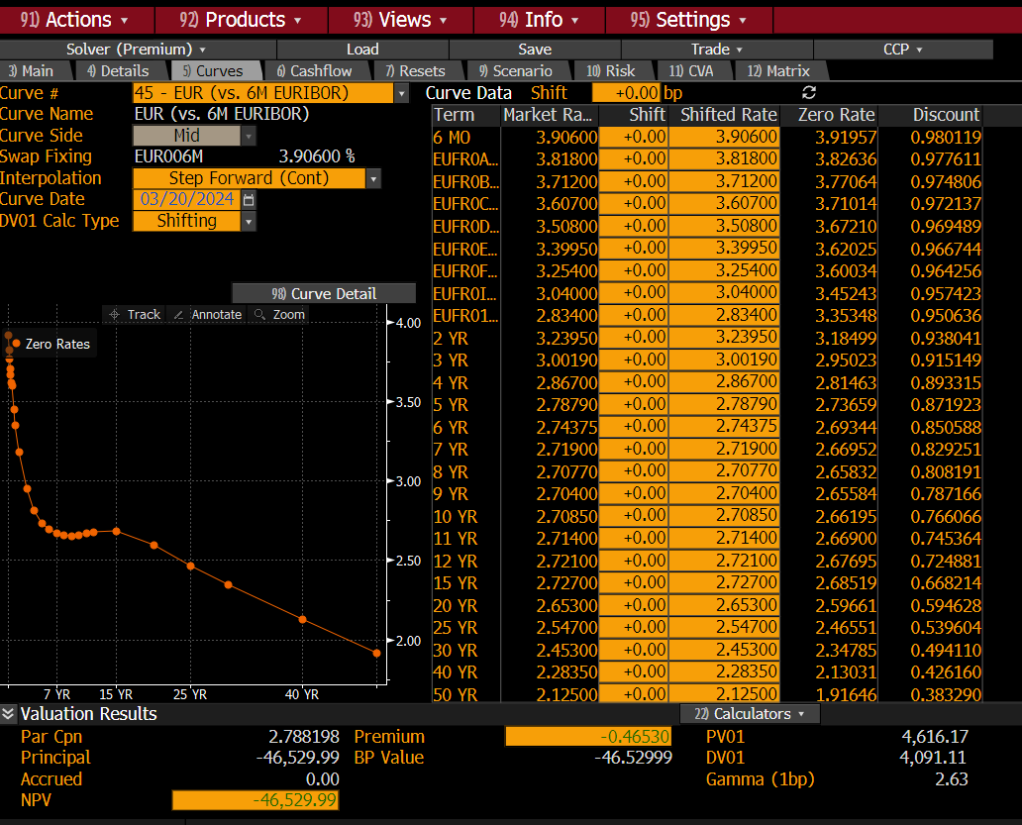
Term | Market Rate | Shift | Shifted Rate | Zero Rate | Discount
6 MO | 3.906 | 0 | 3.906 | 3.91957 | 0.980119
EUFR0AG | 3.818 | 0 | 3.818 | 3.82636 | 0.977611
EUFR0BH | 3.712 | 0 | 3.712 | 3.77064 | 0.974806
EUFR0CI | 3.607 | 0 | 3.607 | 3.71014 | 0.972137
EUFR0DJ | 3.508 | 0 | 3.508 | 3.6721 | 0.969489
EUFR0EK | 3.3995 | 0 | 3.3995 | 3.62025 | 0.966744
EUFR0F1 | 3.254 | 0 | 3.254 | 3.60034 | 0.964256
EUFR0I1C | 3.04 | 0 | 3.04 | 3.45243 | 0.957423
EUFR011F | 2.834 | 0 | 2.834 | 3.35348 | 0.950636
2 YR | 3.2395 | 0 | 3.2395 | 3.18499 | 0.938041
3 YR | 3.0019 | 0 | 3.0019 | 2.95023 | 0.915149
4 YR | 2.867 | 0 | 2.867 | 2.81463 | 0.893315
5 YR | 2.7879 | 0 | 2.7879 | 2.73659 | 0.871923
6 YR | 2.74375 | 0 | 2.74375 | 2.69344 | 0.850588
7 YR | 2.719 | 0 | 2.719 | 2.66952 | 0.829251
8 YR | 2.7077 | 0 | 2.7077 | 2.65832 | 0.808191
9 YR | 2.704 | 0 | 2.704 | 2.65584 | 0.787166
10 YR | 2.7085 | 0 | 2.7085 | 2.66195 | 0.766066
11 YR | 2.714 | 0 | 2.714 | 2.669 | 0.745364
12 YR | 2.721 | 0 | 2.721 | 2.67695 | 0.724881
15 YR | 2.727 | 0 | 2.727 | 2.68519 | 0.668214
20 YR | 2.653 | 0 | 2.653 | 2.59661 | 0.594628
25 YR | 2.547 | 0 | 2.547 | 2.46551 | 0.539604
30 YR | 2.453 | 0 | 2.453 | 2.34785 | 0.49411
40 YR | 2.2835 | 0 | 2.2835 | 2.13031 | 0.42616
50 YR | 2.125 | 0 | 2.125 | 1.91646 | 0.38329

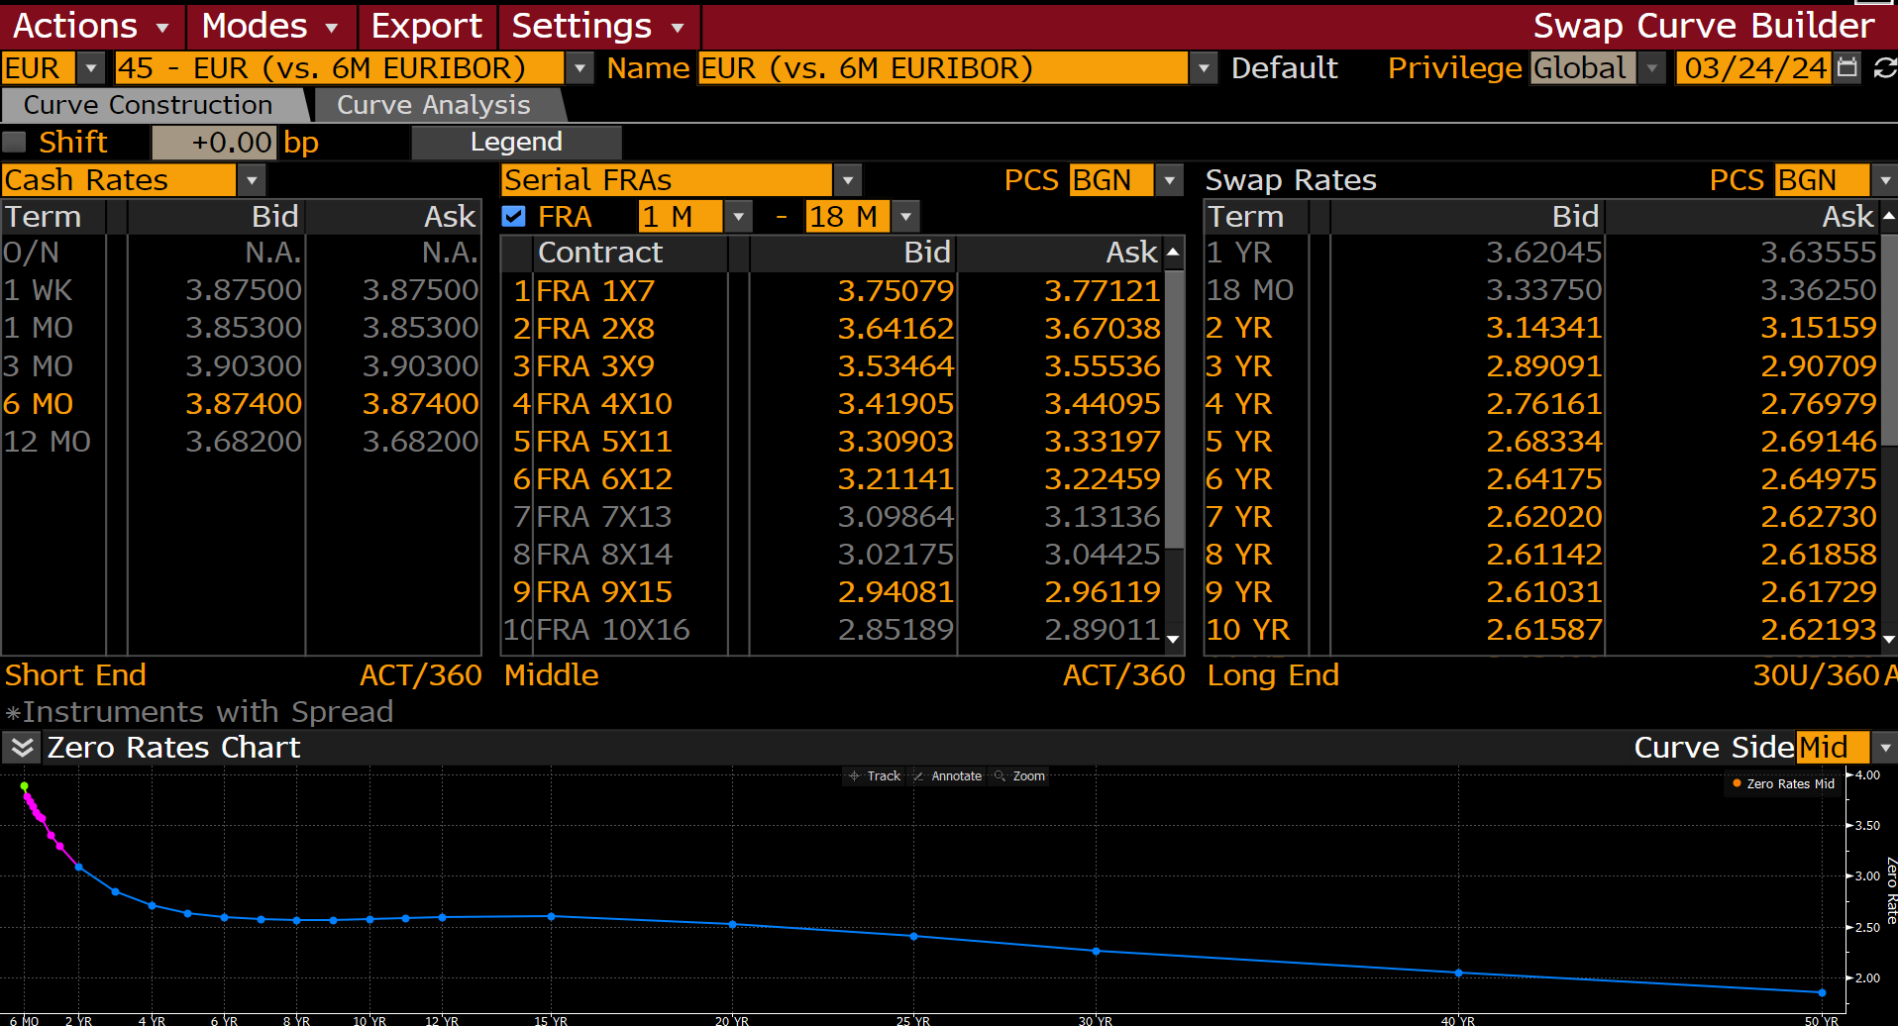
Term | Unit | Ticker | Bid | Ask | Spread | Bid Spr Val | Ask Spr Val | Final Bid Rate | Final Ask Rate | Rate Type | Daycount | Freq
6 | MO | EUR006M | 3.874 | 3.874 |  | 0 | 0 | 3.874 | 3.874 | Cash Rates | ACT/360 | 0
7 | MO | EUFR0AG | 3.7507920265 | 3.7712078094 |  | 0 | 0 | 3.7507920265 | 3.7712078094 | Serial FRAs | ACT/360 | 0
8 | MO | EUFR0BH | 3.6416180134 | 3.6703822613 |  | 0 | 0 | 3.6416180134 | 3.6703822613 | Serial FRAs | ACT/360 | 0
9 | MO | EUFR0CI | 3.5346412659 | 3.5553588867 |  | 0 | 0 | 3.5346412659 | 3.5553588867 | Serial FRAs | ACT/360 | 0
10 | MO | EUFR0DJ | 3.419046402 | 3.4409532547 |  | 0 | 0 | 3.419046402 | 3.4409532547 | Serial FRAs | ACT/360 | 0
11 | MO | EUFR0EK | 3.3090260029 | 3.3319737911 |  | 0 | 0 | 3.3090260029 | 3.3319737911 | Serial FRAs | ACT/360 | 0
12 | MO | EUFR0F1 | 3.211414814 | 3.2245850563 |  | 0 | 0 | 3.211414814 | 3.2245850563 | Serial FRAs | ACT/360 | 0
15 | MO | EUFR0I1C | 2.9408118725 | 2.9611880779 |  | 0 | 0 | 2.9408118725 | 2.9611880779 | Serial FRAs | ACT/360 | 0
18 | MO | EUFR011F | 2.7279934883 | 2.7480063438 |  | 0 | 0 | 2.7279934883 | 2.7480063438 | Serial FRAs | ACT/360 | 0
2 | YR | EUSA2 | 3.1434066296 | 3.1515934467 |  | 0 | 0 | 3.1434066296 | 3.1515934467 | Swap Rates | 30U/360 | 1
3 | YR | EUSA3 | 2.8909137249 | 2.907086134 |  | 0 | 0 | 2.8909137249 | 2.907086134 | Swap Rates | 30U/360 | 1
4 | YR | EUSA4 | 2.7616086006 | 2.7697911263 |  | 0 | 0 | 2.7616086006 | 2.7697911263 | Swap Rates | 30U/360 | 1
5 | YR | EUSA5 | 2.6833403111 | 2.6914594173 |  | 0 | 0 | 2.6833403111 | 2.6914594173 | Swap Rates | 30U/360 | 1
6 | YR | EUSA6 | 2.6417474747 | 2.6497526169 |  | 0 | 0 | 2.6417474747 | 2.6497526169 | Swap Rates | 30U/360 | 1
7 | YR | EUSA7 | 2.620200634 | 2.6272993088 |  | 0 | 0 | 2.620200634 | 2.6272993088 | Swap Rates | 30U/360 | 1
8 | YR | EUSA8 | 2.611420393 | 2.6185796261 |  | 0 | 0 | 2.611420393 | 2.6185796261 | Swap Rates | 30U/360 | 1
9 | YR | EUSA9 | 2.6103110313 | 2.6172890663 |  | 0 | 0 | 2.6103110313 | 2.6172890663 | Swap Rates | 30U/360 | 1
10 | YR | EUSA10 | 2.6158680916 | 2.6219320297 |  | 0 | 0 | 2.6158680916 | 2.6219320297 | Swap Rates | 30U/360 | 1
11 | YR | EUSA11 | 2.6239988804 | 2.6310012341 |  | 0 | 0 | 2.6239988804 | 2.6310012341 | Swap Rates | 30U/360 | 1
12 | YR | EUSA12 | 2.6316304207 | 2.6388697624 |  | 0 | 0 | 2.6316304207 | 2.6388697624 | Swap Rates | 30U/360 | 1
15 | YR | EUSA15 | 2.6405184269 | 2.6479814053 |  | 0 | 0 | 2.6405184269 | 2.6479814053 | Swap Rates | 30U/360 | 1
20 | YR | EUSA20 | 2.5725381374 | 2.5854618549 |  | 0 | 0 | 2.5725381374 | 2.5854618549 | Swap Rates | 30U/360 | 1
25 | YR | EUSA25 | 2.4740505219 | 2.4889497757 |  | 0 | 0 | 2.4740505219 | 2.4889497757 | Swap Rates | 30U/360 | 1
30 | YR | EUSA30 | 2.3513858318 | 2.3866140842 |  | 0 | 0 | 2.3513858318 | 2.3866140842 | Swap Rates | 30U/360 | 1
40 | YR | EUSA40 | 2.1954064369 | 2.2070937157 |  | 0 | 0 | 2.1954064369 | 2.2070937157 | Swap Rates | 30U/360 | 1
50 | YR | EUSA50 | 2.0454478264 | 2.057952404 |  | 0 | 0 | 2.0454478264 | 2.057952404 | Swap Rates | 30U/360 | 1

